General
This guide is provided free of charge in the spirit of open sharing knowledge. |  |  | last/final update 3/2016

This guide is not comprehensive and assumes you know a few things. The tables are based on complicated reverse engineering done by shade tree mechanics who don't necessarily know what they are doing.
I won't update the example tables anymore since you can compare modern bins in TunerPro anyway.

This can help whether you're on MHD or JB4, some of the newer things here don't apply to older flashing utilities.
*I don't have a JB4 anymore so some of this might be outdated*

LOGGING IS YOUR FRIEND!!! CHANGE SOMETHING, LOG, LOG, LOG!!!!
In general, make sure you are using the correct XDF/BIN combination for your DME. You must use the right XDF/BIN combination
Act like they are married, any BIN with 3D scalar should not be modified by XDF without scalar defined etc. Knowing your ECU type is usually sufficient unless there are expanded tables/logic changes.

Basics to getting started
File: "Open Bin…" and XDF: "Select XDF…"

On the "Parameter Tree" make sure you are in "Parameter Category" view
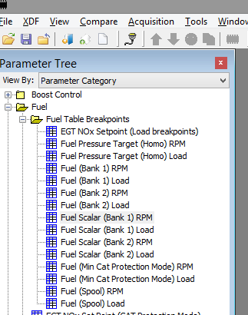

Always remember to save your BIN when you are finished, clicking SAVE on the maps does save the actual BIN.

Basics for stacking: (skip if you're running flash only)
Minor update to text here for 2015, for JB4 users this has changes slightly over the years
JB4 settings for backend flashes/custom map 6 (similar for map 3) ignore if you don't have a JB4
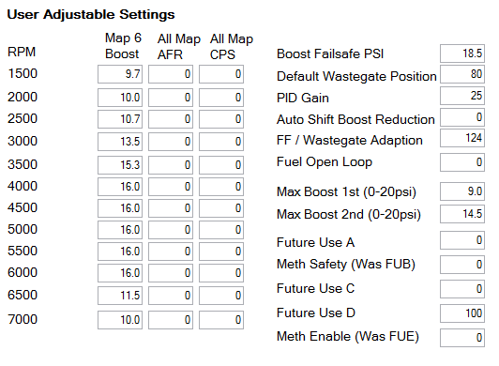
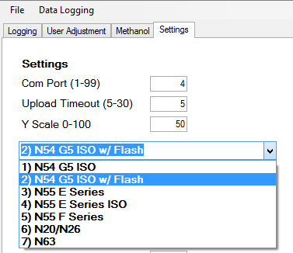

 |  | Fuel Open Loop is the amount the JB4 biases the fuel pressure sensor to give you headroom on trims, it will autolearn so I usually leave this around 20 or 40
Set AFR & CPS columns to 0 |  | If this value is over 70 it may be indicative that your fuel scalar needs to be increased, but a datalog is superior to guessing based on this number

 | **Always flash in MAP 0**

Procede settings for backend flashes/custom maps

Set global AFR to 50 and set Open loop to 0 or half of what it's set at default, disable any CPS timing offset. I don't have one nor am I experienced but I believe that's all you need to do.

Nannies
Nannies |  |  |  |  | last updated March 2016
not all are listed just main ones

Boost Control:
 | Boost Ceiling - set to 1.4 or 1.5 if you have MHD

 | MAP max voltage - set to 4.8 volts to avoid limp modes if you hit the sensor limit, leave stock to retain limp mode

Limits: | Torque limiting maps:
 |  | Requested torque limit (Driver)
 |  | 737.6 | 737.6 | 737.6 | 737.6 | 737.6 | 737.6 | 737.6 | 737.6 | 737.6 | 737.6 | 737.6

 |  | Torque Limit Offset A
 |  | 250.01 | 250.01 | 250.01 | 250.01
 |  | 250.01 | 250.01 | 250.01 | 250.01
 |  | 250.01 | 250.01 | 250.01 | 250.01
 |  | 250.01 | 250.01 | 250.01 | 250.01

 |  | Torque Monitor Ceiling
 |  | 1492 | 1492 | 1492 | 1492 | 1492 | 1492 | 1492

 |  | Torque Monitor Max Difference
 |  | 376 | 376 | 376 | 376
 |  | 376 | 376 | 376 | 376
 |  | 376 | 376 | 376 | 376
 |  | 376 | 376 | 376 | 376

 | Load Limit Factor:
 | 0.13 | 0.13 | 0.13 | 0.13 | 0.13 | 0.13 | 0.13 | 0.13 | 0.13 | 0.13 | 0.13 | 0.13

 | MAF (Nanny):
 | 2047.94 | 2047.94 | 2047.97 | 2047.97 | 2047.97 | 2047.97 | 2047.97 | 2047.97

Throttle:
 | Threshold (Major Throttle Closure) change to: (makes DTC and traction control a little less invasive)
 | 0.960

Toggles:
 | Functions Disable:
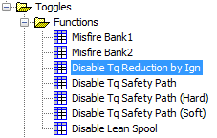

 |  |  |  |  |  | Disable all of these (unless you are a DCT, you need reduction by Ign to shift)

 |  |  |  |  |  | lean spool is nice, careful if you use it on pump with high boost
 | Diagnostics codes disable:
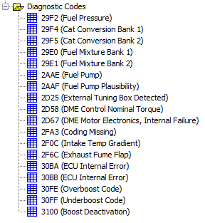

 |  |  |  |  |  |  | For CATLESS cars- readiness will NOT set with code disabled.
 |  |  |  |  |  |  | If code is disabled and you need emissions (assuming you have cats, naturally) you will still likely pass as most regions allow one monitor to be NOT READY

 |  |  |  |  |  |  | Mostly for piggyback users, disable

 |  |  |  |  |  |  | Disable

 |  |  |  |  |  |  | Mostly for piggyback users, allows you to run less boost than DME wants (high load targets) without getting codes

 | There are other nannies that this, helps to just start with a BIN that already has them disabled.

Boost Control
updated March 2016
Flash Only Boost Control
I'd rather chew nails than teach somebody how to do this. It's intricate and not always easy. But here's a guide to get you started.

First, get your logging parameters right. You need the following at least:
 | Boost setpoint factor | This is the WGDC Y Axis, you will likely not always need this logged, but until you're comfortable log it
 | WGDC P-Factor | This is the part of your PID that is most important to adjust, and this is the Y Axis. You will likely not always need this logged, same as above.
 | MAF actual | Either one works fine, X Axis on many WGDC tables are MAF based
 | WGDC Base | This is the portion of your total WGDC that is based on the base table
 | WGDC after PID | This is the adjustment, you MUST look at it as a difference over time from WGDC base. If this line is below, PID is removing WGDC. If it's above, it's adding. You want this log to be fairly close to base.
 | WGDC bank 1 | Both banks are physically connected, only log one of them. This is your FINAL WGDC after PID and airflow adders have been applied.
 | Boost Target | duh
 | Boost | duh

WGDC
Start with a base table, maybe stock. Yeah, that's a great base to start with. It's not overly aggressive.

 | 335is WGDC Base table- it's pretty great, even for hybrid turbo's. Red is the area you may need to increase some based on logs.
 | 3.9 | 3.7 | 3.65 | 3.25 | 2.85 | 2.86 | 2.55 | 2.2 | 2.1 | 3.14 | 2.88 | 3 | 3 | 3 | 3 | 3
 | 16 | 5 | 4.3 | 4.23 | 3.91 | 3.7 | 3.8 | 4.09 | 3.82 | 3.35 | 3.1 | 3.48 | 3.59 | 3.59 | 3.59 | 3.59
 | 39.32 | 24 | 6 | 4.6 | 4.33 | 4.25 | 4.33 | 4.54 | 4.68 | 4.97 | 4.7 | 5.07 | 5.2 | 5.2 | 5.2 | 5.2
 | 40 | 32 | 9.5 | 6 | 4.73 | 4.5 | 4.44 | 4.52 | 5.02 | 5.42 | 5.42 | 5.3 | 5.3 | 5.3 | 5.3 | 5.3
 | 44 | 44 | 14 | 7 | 5.29 | 4.96 | 4.9 | 4.98 | 5.29 | 5.91 | 5.75 | 6.03 | 5.49 | 5.49 | 5.49 | 5.49
 | 47 | 47 | 19 | 9.12 | 5.79 | 5.22 | 5.18 | 5.34 | 5.43 | 6.07 | 6.11 | 6.3 | 5.95 | 5.95 | 5.95 | 5.95
 | 50 | 47 | 30 | 13 | 6.6 | 5.52 | 5.38 | 5.66 | 5.75 | 6.32 | 6.6 | 6.52 | 6.2 | 6.49 | 6.49 | 6.49
 | 52 | 52 | 30 | 17 | 8.44 | 6.83 | 5.58 | 5.84 | 6.16 | 6.77 | 6.95 | 6.95 | 6.98 | 7.36 | 7.36 | 7.36
 | 53 | 52 | 30 | 17 | 12 | 7.43 | 5.98 | 6.09 | 6.9 | 7.13 | 7.28 | 7 | 6.92 | 7.67 | 7.77 | 7.77
 | 55 | 52 | 30 | 22 | 13 | 8.5 | 5.98 | 6.78 | 7.1 | 7.39 | 7.52 | 7.8 | 7.59 | 7.85 | 8.26 | 7.76
 | 56 | 52 | 40 | 30 | 14 | 9.5 | 6.5 | 6.99 | 7.15 | 8.01 | 8.1 | 8.18 | 8.05 | 7.89 | 8.37 | 7.81
 | 57 | 57 | 57 | 30 | 15 | 10.5 | 7.5 | 7 | 7.21 | 8.4 | 8.58 | 8.2 | 8.47 | 8.2 | 8.47 | 7.97
 | 58 | 58 | 58 | 58 | 25 | 13 | 8.4 | 7.98 | 8.2 | 8.7 | 8.8 | 8.78 | 9.21 | 8.53 | 8.7 | 8.23
 | 58 | 58 | 58 | 58 | 56.08 | 16 | 10 | 9.09 | 9.06 | 9.6 | 8.9 | 9.2 | 9.5 | 9.5 | 9.3 | 8.5
 | 58 | 58 | 58 | 58 | 58 | 17 | 11.5 | 9.29 | 9.59 | 9.7 | 9.2 | 9.2 | 10 | 10 | 10 | 9.58
 | 58 | 58 | 58 | 58 | 58 | 20 | 15 | 13 | 12 | 10.19 | 9.25 | 9.55 | 10.2 | 10.2 | 10.88 | 10.78
 | 58 | 58 | 58 | 58 | 58 | 58 | 50 | 30 | 19 | 11 | 9.27 | 10.05 | 10.58 | 10.46 | 11.33 | 11.17
 | 58 | 58 | 58 | 58 | 58 | 58 | 50 | 34.86 | 23 | 12 | 9.5 | 9.75 | 10.26 | 10.62 | 11.8 | 11.8
 | 58 | 58 | 58 | 58 | 58 | 58 | 50 | 36.45 | 30.13 | 19.19 | 11.05 | 9.85 | 10.36 | 10.82 | 11.95 | 12.29
 | 58 | 58 | 58 | 58 | 58 | 58 | 50 | 36.45 | 32.1 | 22.3 | 12.75 | 10.15 | 10.57 | 11.03 | 13.1 | 15
 | Something you should consider doing is re-scaling the WGDC base table for higher MAF (X)

 | WGDC Adder (Airflow)- This table is great for adding WGDC on top of the base table. You don't want to add only to the base table.
 | The sister table to this is WGDC Ceiling (Adder), this is the limit table for the adder table. You need to increase this table with your adder, and keep breakpoints the same.

 |  | Tip- re-scale this table to better fit the boost you are running.
 |  | Stock airflow adder breakpoints (MAF) - |  |  |  | 111 | 139 | 181 | 222 | 250 | 278
 |  | Modified breakpoints I use (MAF)- |  |  |  | 140 | 190 | 240 | 300 | 350 | 380
 |  | *This lets you add more WGDC based on airflow, in case you're under target, without using PID or WGDC*
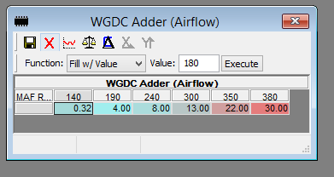
 |  |  |  |  |  |  | Example of re-scaled adder table with greatly increased adders.

 |  |  |  |  |  |  | These are very high from some high altitude tuning, I prefer to cap my adder at around 20.
 |  |  |  |  |  |  | *Adders, much like WGDC Base, contribute to a minimum WGDC and can lead to overshoot*

 |  |  |  |  |  |  | By re-scaling this table you can better hold boost up top. Oftentimes I scale to around 420 on the MAF request.
 |  |  |  |  |  |  | *If you have 30 adder like this with stock breakpoint of 278 MAF, you'd overboost like crazy around 4000 RPM, 380 is around 5500 rpm*

 |  | The thing about this table is it allows you to adjust boost up top, without the WGDC base or PID and multiplier tables which can lead to overcorrection.

PID
 | WGDC P-Factor | The most important, this is instantaneous error. X axis is deviation from setpoint at any given instance, the actual values are the degree of intervention.
 |  | NEGATIVE boost error (left side of table) is underboost
 |  | POSITIVE boost error (right side of table) is overboost
 |  | I modify this table more than any other, but generally based on logs. I often increase values around spool to catch overshoot faster (positive error, top right of table).
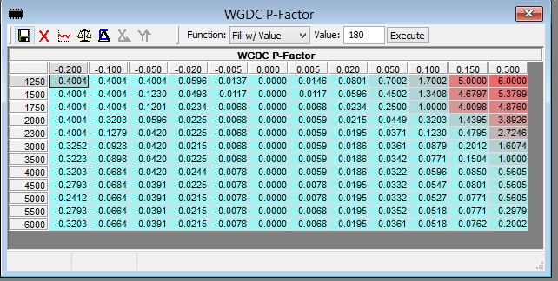

 |  |  |  |  |  |  |  |  |  |  |  | This car was happier with a little lower values than stock overall

 | WGDC I-Factor | Basically historical error (and by historical I mean about 0.5 seconds of history). It can lead to oscillations if things aren't dialed in well to begin with.
 |  | I leave this table 100% stock because there's no reason to adjust it, it keeps your P factor happy at different boost levels as long as you're close.

 | WGDC D-Factor | This is basically anticipated future error. It slows down, or speeds up P factor. Lowering it makes things smoother but allows more deviation.
 |  | I cut this table in half overall, then I cut the top left in half again, because the anticipation is based on time to spool to stock boost targets.

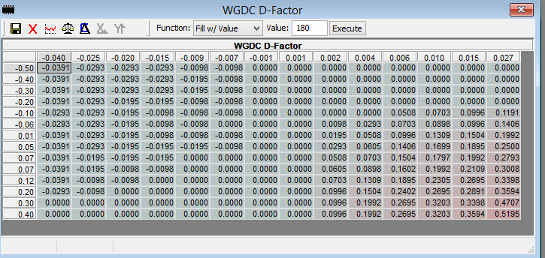

Logging tips:

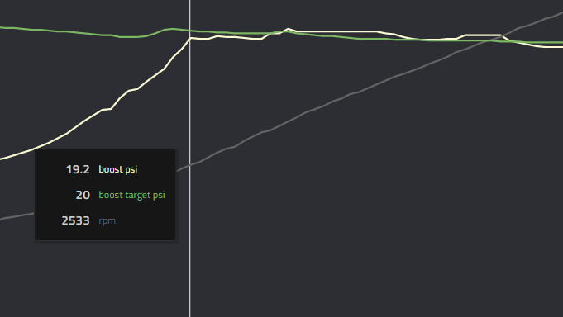
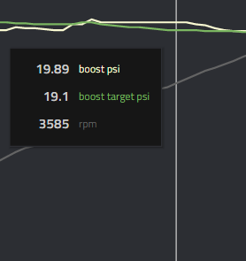

 |  |  |  |  |  |  |  |  |  |  | Pretty good boost control right? Fast spool, minimal overshoot, how do we make it better?
 |  |  |  |  |  |  |  |  |  |  | A- Logs.

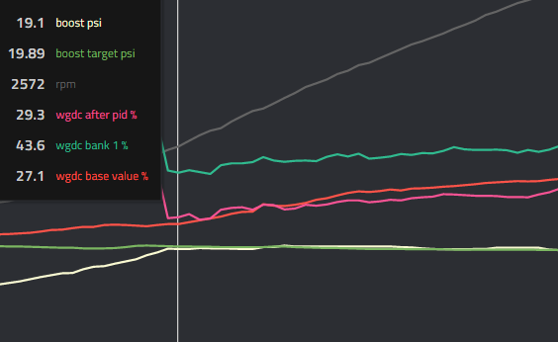
 |  |  |  |  |  |  |  |  | Same log, but notice the WGDC traces.

 |  |  |  |  |  |  |  |  | WGDC % is at the top in this log, which is good.
 |  |  |  |  |  |  |  |  | WGDC after PID trends below WDGC Base, which means the car is trying to overboost. Need to remove some airflow adder or WGDC base
 |  |  |  |  |  |  |  |  |  | It's safer to have PID adding a little WGDC than removing it.
 |  |  |  |  |  |  |  |  | WGDC base should always be at the BOTTOM, it's in the middle here. I like it at the bottom, since it's the base, right?

3D Fuel Scalar
3D Scalar enabling |  |  |  |  |  |  |  | updated 2013
To enable the extended scalar in your BIN (assuming you're not using a BIN with it already enabled) you first need and XDF that defines the memory locations (like included in this .zip)
1. copy these values into "fuel scalar breakpoints" for bank 1 and two. There are multiple tables (1 and 2) for the scalar (and generally for many things), always verify if there are band 1/2 tables and make they MATCH
2. Click the save icon for that table. This does not make perminant changes to the open BIN, just for your current session, you must click File: "Save" or "Save As" to commit them to current BIN
3. Modify "Fuel Scalar" tables (example tables below), emphasis on midrange where trims are highest
** I8A0S fuel scalar verified. IJE0S scalar from WedgePerformance, unverified but looks right (my car is MSD80)**

RPM |  | Load |  |  | **load breakpoints**
650 |  | 12 | 20 | 30 | 40 | 50 | 55 | 60 | 65 | 70 | 75 | 80 | 90 | 120 | 140 | 160 | 180
1000
1100
1200
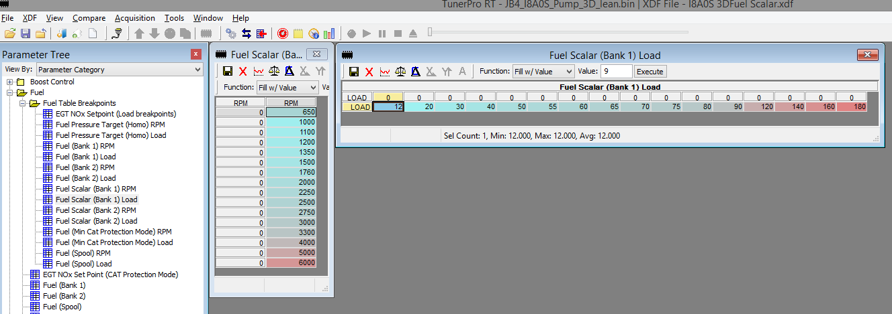
1350
1500
1760
2000
2250
2500
2750
3000
3300
4000
5000
6000

**RPM breakpoints**

Generic extended scalars (use these in tables, make sure to set RPM/Load breakpoints first as described above, and to keep bank 1 and 2 exactly the same)
Notes on extended scalar- Try to get trims (from a datalog) zero to slightly positive for cruise, and near zero at full boost. Adjust as necessary, small adjustments. Positive is OK, but you want trims flat as you can get them.
You'll find trims will vary more (increase) if boost is outside of the DME target (based on load), in this situation, increase the scalar in the load/rpm boxes that you are exceeding DME target boost

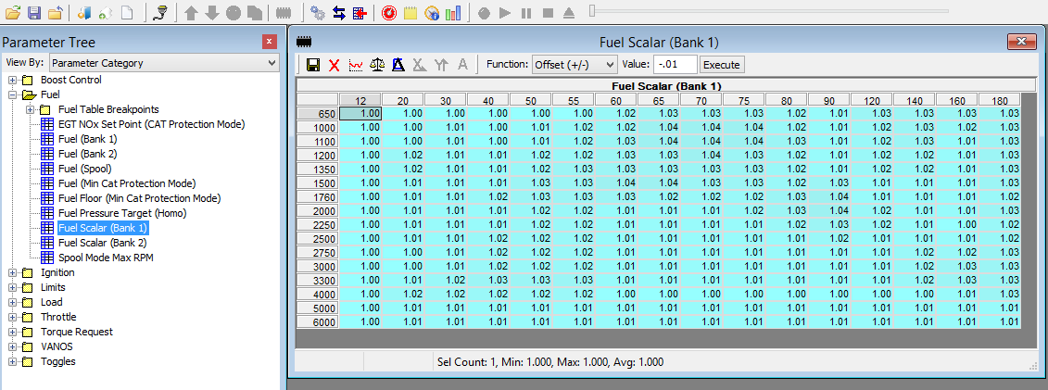

 |  |  |  |  |  |  |  |  |  |  |  |  |  |  |  |  |  | Notice the breakpoints are all here :-)

 |  |  |  |  |  |  |  |  |  |  |  |  |  |  |  |  |  | If you have been using a normal BIN, this is the only box that will have a value initially

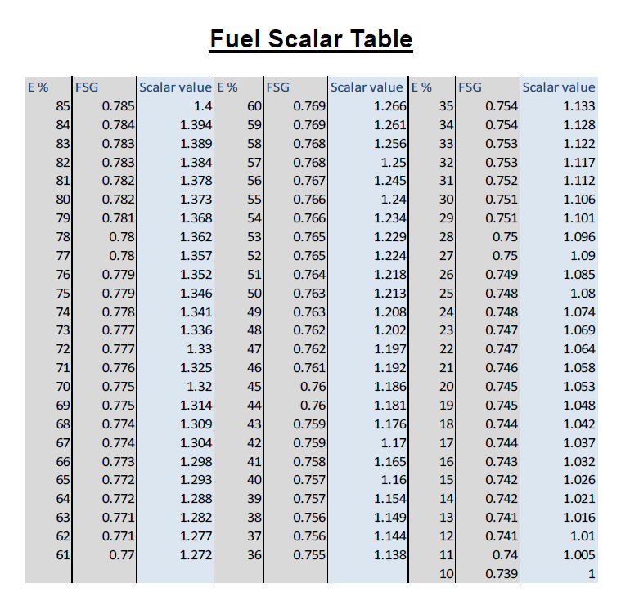
 |  |  |  |  |  |  |  |  |  |  |  |  |  |  |  |  |  |  | From Cobb: in my experience these are too low
Generic 3D scalars you can use to begin with:
Generic E20-30
1.12 | 1.12 | 1.12 | 1.12 | 1.12 | 1.12 | 1.13 | 1.14 | 1.14 | 1.14 | 1.13 | 1.12 | 1.15 | 1.17 | 1.16 | 1.16
1.12 | 1.12 | 1.13 | 1.12 | 1.13 | 1.14 | 1.16 | 1.18 | 1.18 | 1.18 | 1.16 | 1.14 | 1.16 | 1.17 | 1.16 | 1.15
1.12 | 1.12 | 1.13 | 1.12 | 1.13 | 1.15 | 1.17 | 1.18 | 1.18 | 1.18 | 1.17 | 1.14 | 1.16 | 1.17 | 1.15 | 1.15
1.13 | 1.14 | 1.13 | 1.13 | 1.14 | 1.15 | 1.17 | 1.17 | 1.18 | 1.17 | 1.16 | 1.15 | 1.16 | 1.16 | 1.15 | 1.15
1.13 | 1.14 | 1.13 | 1.13 | 1.15 | 1.17 | 1.17 | 1.17 | 1.17 | 1.17 | 1.16 | 1.15 | 1.16 | 1.16 | 1.15 | 1.15
1.13 | 1.13 | 1.12 | 1.13 | 1.16 | 1.18 | 1.18 | 1.18 | 1.17 | 1.17 | 1.16 | 1.17 | 1.15 | 1.15 | 1.14 | 1.14
1.13 | 1.12 | 1.12 | 1.14 | 1.16 | 1.17 | 1.17 | 1.16 | 1.16 | 1.16 | 1.17 | 1.19 | 1.15 | 1.14 | 1.14 | 1.13
1.12 | 1.12 | 1.12 | 1.13 | 1.15 | 1.15 | 1.14 | 1.14 | 1.14 | 1.16 | 1.17 | 1.19 | 1.16 | 1.14 | 1.14 | 1.14
1.13 | 1.12 | 1.12 | 1.13 | 1.15 | 1.15 | 1.15 | 1.15 | 1.15 | 1.15 | 1.16 | 1.17 | 1.15 | 1.14 | 1.13 | 1.13
1.13 | 1.13 | 1.12 | 1.14 | 1.15 | 1.15 | 1.15 | 1.15 | 1.15 | 1.15 | 1.15 | 1.16 | 1.14 | 1.14 | 1.14 | 1.13
1.13 | 1.12 | 1.13 | 1.15 | 1.15 | 1.15 | 1.15 | 1.15 | 1.15 | 1.15 | 1.15 | 1.15 | 1.15 | 1.16 | 1.16 | 1.17
1.12 | 1.12 | 1.13 | 1.15 | 1.15 | 1.15 | 1.15 | 1.15 | 1.15 | 1.14 | 1.14 | 1.15 | 1.15 | 1.16 | 1.17 | 1.17
1.12 | 1.12 | 1.13 | 1.15 | 1.15 | 1.15 | 1.15 | 1.15 | 1.15 | 1.14 | 1.14 | 1.14 | 1.15 | 1.16 | 1.17 | 1.17
1.13 | 1.13 | 1.13 | 1.13 | 1.13 | 1.13 | 1.13 | 1.13 | 1.13 | 1.13 | 1.13 | 1.13 | 1.13 | 1.13 | 1.14 | 1.14
1.12 | 1.12 | 1.12 | 1.12 | 1.12 | 1.12 | 1.12 | 1.12 | 1.12 | 1.12 | 1.12 | 1.12 | 1.12 | 1.12 | 1.12 | 1.12
1.12 | 1.12 | 1.12 | 1.12 | 1.12 | 1.12 | 1.12 | 1.12 | 1.12 | 1.12 | 1.12 | 1.12 | 1.12 | 1.12 | 1.12 | 1.12

Generic E30-40
1.22 | 1.22 | 1.22 | 1.22 | 1.22 | 1.22 | 1.23 | 1.24 | 1.24 | 1.24 | 1.23 | 1.22 | 1.25 | 1.28 | 1.26 | 1.26
1.22 | 1.22 | 1.23 | 1.22 | 1.23 | 1.24 | 1.26 | 1.29 | 1.29 | 1.29 | 1.26 | 1.24 | 1.26 | 1.28 | 1.26 | 1.25
1.22 | 1.22 | 1.23 | 1.22 | 1.23 | 1.25 | 1.28 | 1.29 | 1.29 | 1.29 | 1.28 | 1.24 | 1.26 | 1.28 | 1.25 | 1.25
1.23 | 1.24 | 1.23 | 1.23 | 1.24 | 1.25 | 1.28 | 1.28 | 1.29 | 1.28 | 1.26 | 1.25 | 1.26 | 1.26 | 1.25 | 1.25
1.23 | 1.24 | 1.23 | 1.23 | 1.25 | 1.28 | 1.28 | 1.28 | 1.28 | 1.28 | 1.26 | 1.25 | 1.26 | 1.26 | 1.25 | 1.25
1.23 | 1.23 | 1.22 | 1.23 | 1.26 | 1.29 | 1.29 | 1.29 | 1.28 | 1.28 | 1.26 | 1.28 | 1.25 | 1.25 | 1.24 | 1.24
1.23 | 1.22 | 1.22 | 1.24 | 1.26 | 1.28 | 1.28 | 1.26 | 1.26 | 1.26 | 1.28 | 1.30 | 1.25 | 1.24 | 1.24 | 1.23
1.22 | 1.22 | 1.22 | 1.23 | 1.25 | 1.25 | 1.24 | 1.24 | 1.24 | 1.26 | 1.28 | 1.30 | 1.26 | 1.24 | 1.24 | 1.24
1.23 | 1.22 | 1.22 | 1.23 | 1.25 | 1.25 | 1.25 | 1.25 | 1.25 | 1.25 | 1.26 | 1.28 | 1.25 | 1.24 | 1.23 | 1.23 |  |  |  | Useful table for mixes maybe:
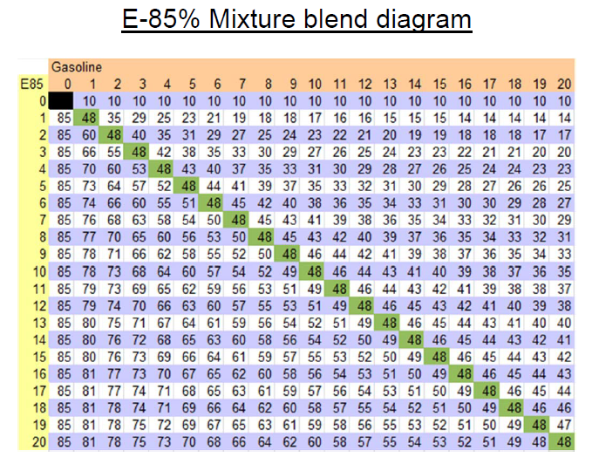
1.23 | 1.23 | 1.22 | 1.24 | 1.25 | 1.25 | 1.25 | 1.25 | 1.25 | 1.25 | 1.25 | 1.26 | 1.24 | 1.24 | 1.24 | 1.23
1.23 | 1.22 | 1.23 | 1.25 | 1.25 | 1.25 | 1.25 | 1.25 | 1.25 | 1.25 | 1.25 | 1.25 | 1.25 | 1.26 | 1.26 | 1.28
1.22 | 1.22 | 1.23 | 1.25 | 1.25 | 1.25 | 1.25 | 1.25 | 1.25 | 1.24 | 1.24 | 1.25 | 1.25 | 1.26 | 1.28 | 1.28
1.22 | 1.22 | 1.23 | 1.25 | 1.25 | 1.25 | 1.25 | 1.25 | 1.25 | 1.24 | 1.24 | 1.24 | 1.25 | 1.26 | 1.28 | 1.28
1.23 | 1.23 | 1.23 | 1.23 | 1.23 | 1.23 | 1.23 | 1.23 | 1.23 | 1.23 | 1.23 | 1.23 | 1.23 | 1.23 | 1.24 | 1.24
1.22 | 1.22 | 1.22 | 1.22 | 1.22 | 1.22 | 1.22 | 1.22 | 1.22 | 1.22 | 1.22 | 1.22 | 1.22 | 1.22 | 1.22 | 1.22
1.22 | 1.22 | 1.22 | 1.22 | 1.22 | 1.22 | 1.22 | 1.22 | 1.22 | 1.22 | 1.22 | 1.22 | 1.22 | 1.22 | 1.22 | 1.22

Generic E50
1.38 | 1.38 | 1.38 | 1.38 | 1.38 | 1.38 | 1.39 | 1.40 | 1.40 | 1.40 | 1.39 | 1.38 | 1.41 | 1.45 | 1.42 | 1.42
1.38 | 1.38 | 1.39 | 1.38 | 1.39 | 1.40 | 1.42 | 1.46 | 1.46 | 1.46 | 1.42 | 1.40 | 1.42 | 1.45 | 1.42 | 1.41
1.38 | 1.38 | 1.39 | 1.38 | 1.39 | 1.41 | 1.45 | 1.46 | 1.46 | 1.46 | 1.45 | 1.40 | 1.42 | 1.45 | 1.41 | 1.41
1.39 | 1.40 | 1.39 | 1.39 | 1.40 | 1.41 | 1.45 | 1.45 | 1.46 | 1.45 | 1.42 | 1.41 | 1.42 | 1.42 | 1.41 | 1.41
1.39 | 1.40 | 1.39 | 1.39 | 1.41 | 1.45 | 1.45 | 1.45 | 1.45 | 1.45 | 1.42 | 1.41 | 1.42 | 1.42 | 1.41 | 1.41
1.39 | 1.39 | 1.38 | 1.39 | 1.42 | 1.46 | 1.46 | 1.46 | 1.45 | 1.45 | 1.42 | 1.45 | 1.41 | 1.41 | 1.40 | 1.40
1.39 | 1.38 | 1.38 | 1.40 | 1.42 | 1.45 | 1.45 | 1.42 | 1.42 | 1.42 | 1.45 | 1.47 | 1.41 | 1.40 | 1.40 | 1.39
1.38 | 1.38 | 1.38 | 1.39 | 1.41 | 1.41 | 1.40 | 1.40 | 1.40 | 1.42 | 1.45 | 1.47 | 1.42 | 1.40 | 1.40 | 1.40
1.39 | 1.38 | 1.38 | 1.39 | 1.41 | 1.41 | 1.41 | 1.41 | 1.41 | 1.41 | 1.42 | 1.45 | 1.41 | 1.40 | 1.39 | 1.39
1.39 | 1.39 | 1.38 | 1.40 | 1.41 | 1.41 | 1.41 | 1.41 | 1.41 | 1.41 | 1.41 | 1.42 | 1.40 | 1.40 | 1.40 | 1.39
1.39 | 1.38 | 1.39 | 1.41 | 1.41 | 1.41 | 1.41 | 1.41 | 1.41 | 1.41 | 1.41 | 1.41 | 1.41 | 1.42 | 1.42 | 1.45
1.38 | 1.38 | 1.39 | 1.41 | 1.41 | 1.41 | 1.41 | 1.41 | 1.41 | 1.40 | 1.40 | 1.41 | 1.41 | 1.42 | 1.45 | 1.45
1.38 | 1.38 | 1.39 | 1.41 | 1.41 | 1.41 | 1.41 | 1.41 | 1.41 | 1.40 | 1.40 | 1.40 | 1.41 | 1.42 | 1.45 | 1.45
1.39 | 1.39 | 1.39 | 1.39 | 1.39 | 1.39 | 1.39 | 1.39 | 1.39 | 1.39 | 1.39 | 1.39 | 1.39 | 1.39 | 1.40 | 1.40
1.38 | 1.38 | 1.38 | 1.38 | 1.38 | 1.38 | 1.38 | 1.38 | 1.38 | 1.38 | 1.38 | 1.38 | 1.38 | 1.38 | 1.38 | 1.38
1.38 | 1.38 | 1.38 | 1.38 | 1.38 | 1.38 | 1.38 | 1.38 | 1.38 | 1.38 | 1.38 | 1.38 | 1.38 | 1.38 | 1.38 | 1.38

My pump gas scalar for catless/FBO cars
1.00 | 1.00 | 1.00 | 1.00 | 1.00 | 1.00 | 1.00 | 1.00 | 1.00 | 1.00 | 1.00 | 1.00 | 1.00 | 1.00 | 1.00 | 1.00
1.00 | 1.00 | 1.00 | 1.00 | 1.00 | 1.00 | 1.00 | 1.00 | 1.00 | 1.00 | 1.00 | 1.00 | 1.00 | 1.00 | 1.00 | 1.00
1.00 | 1.00 | 1.00 | 1.00 | 1.00 | 1.00 | 1.00 | 1.00 | 1.00 | 1.00 | 1.00 | 1.00 | 1.00 | 1.00 | 1.00 | 1.00
1.00 | 1.00 | 1.00 | 1.00 | 1.00 | 1.00 | 1.00 | 1.00 | 1.00 | 1.00 | 1.01 | 1.01 | 1.01 | 1.01 | 1.01 | 1.01
1.00 | 1.00 | 1.00 | 1.00 | 1.00 | 1.00 | 1.00 | 1.01 | 1.01 | 1.01 | 1.01 | 1.01 | 1.02 | 1.02 | 1.02 | 1.03
1.00 | 1.00 | 1.00 | 1.00 | 1.00 | 1.00 | 1.00 | 1.01 | 1.01 | 1.01 | 1.02 | 1.02 | 1.02 | 1.03 | 1.03 | 1.03
1.00 | 1.00 | 1.00 | 1.00 | 1.00 | 1.00 | 1.00 | 1.01 | 1.01 | 1.02 | 1.02 | 1.03 | 1.03 | 1.03 | 1.03 | 1.03
1.00 | 1.00 | 1.00 | 1.00 | 1.00 | 1.00 | 1.00 | 1.01 | 1.01 | 1.02 | 1.02 | 1.03 | 1.03 | 1.03 | 1.03 | 1.03
1.00 | 1.00 | 1.00 | 1.00 | 1.00 | 1.00 | 1.00 | 1.01 | 1.01 | 1.02 | 1.03 | 1.03 | 1.03 | 1.04 | 1.04 | 1.04
1.00 | 1.00 | 1.00 | 1.00 | 1.00 | 1.00 | 1.00 | 1.01 | 1.01 | 1.03 | 1.04 | 1.04 | 1.04 | 1.04 | 1.04 | 1.05
1.00 | 1.00 | 1.00 | 1.00 | 1.00 | 1.00 | 1.00 | 1.01 | 1.01 | 1.03 | 1.04 | 1.04 | 1.04 | 1.04 | 1.05 | 1.06
1.00 | 1.00 | 1.00 | 1.00 | 1.00 | 1.00 | 1.00 | 1.01 | 1.01 | 1.03 | 1.04 | 1.04 | 1.05 | 1.05 | 1.06 | 1.07
1.00 | 1.00 | 1.00 | 1.00 | 1.00 | 1.00 | 1.00 | 1.01 | 1.01 | 1.02 | 1.03 | 1.04 | 1.05 | 1.06 | 1.07 | 1.06
1.00 | 1.00 | 1.00 | 1.00 | 1.00 | 1.00 | 1.00 | 1.01 | 1.01 | 1.02 | 1.03 | 1.04 | 1.06 | 1.07 | 1.07 | 1.07
1.00 | 1.00 | 1.00 | 1.00 | 1.00 | 1.00 | 1.00 | 1.01 | 1.01 | 1.02 | 1.02 | 1.03 | 1.05 | 1.04 | 1.05 | 1.06
1.00 | 1.00 | 1.00 | 1.00 | 1.00 | 1.00 | 1.00 | 1.01 | 1.01 | 1.02 | 1.02 | 1.03 | 1.03 | 1.03 | 1.04 | 1.05

 | I increase the scalar at higher loads/rpm even with pump because downpipes increase the VE of the engine, so the car will need more fuel than it calculates to keep trims dead accurate. Necessary? No. OCD? Yes.
 | for low load JB4/procede backends, increase the scalar dramatically at the load cell below the highest target load in the flash, this will give you more room for boost before maxing out trims.
 | **** With JB4 you should increase the scalar especially in the midrange (3,000 RPM to 4,500RPM) and up to redline if exceeding load target**** examples are for FLASH ONLY, you really need to datalog
My scalar for 50/50 mix (~E40-50)
1.25 | 1.25 | 1.25 | 1.25 | 1.25 | 1.25 | 1.25 | 1.25 | 1.26 | 1.26 | 1.26 | 1.26 | 1.26 | 1.26 | 1.26 | 1.26
1.25 | 1.25 | 1.25 | 1.25 | 1.25 | 1.25 | 1.25 | 1.25 | 1.26 | 1.26 | 1.26 | 1.26 | 1.26 | 1.26 | 1.27 | 1.27
1.26 | 1.26 | 1.26 | 1.26 | 1.27 | 1.27 | 1.28 | 1.28 | 1.28 | 1.28 | 1.28 | 1.28 | 1.28 | 1.28 | 1.29 | 1.29
1.26 | 1.26 | 1.26 | 1.26 | 1.27 | 1.27 | 1.28 | 1.28 | 1.28 | 1.28 | 1.28 | 1.28 | 1.28 | 1.28 | 1.30 | 1.30
1.26 | 1.26 | 1.26 | 1.26 | 1.27 | 1.27 | 1.28 | 1.28 | 1.29 | 1.29 | 1.29 | 1.29 | 1.29 | 1.29 | 1.31 | 1.31
1.26 | 1.26 | 1.26 | 1.26 | 1.27 | 1.27 | 1.28 | 1.28 | 1.29 | 1.29 | 1.29 | 1.29 | 1.29 | 1.29 | 1.32 | 1.32
1.27 | 1.27 | 1.27 | 1.27 | 1.29 | 1.29 | 1.31 | 1.32 | 1.34 | 1.35 | 1.35 | 1.36 | 1.37 | 1.38 | 1.42 | 1.43
1.27 | 1.27 | 1.27 | 1.27 | 1.29 | 1.29 | 1.31 | 1.32 | 1.34 | 1.35 | 1.36 | 1.36 | 1.37 | 1.38 | 1.42 | 1.44
1.28 | 1.28 | 1.28 | 1.28 | 1.30 | 1.30 | 1.33 | 1.34 | 1.38 | 1.38 | 1.39 | 1.40 | 1.41 | 1.42 | 1.44 | 1.46 | Notice fuel trim increase where VE is highest
1.31 | 1.31 | 1.31 | 1.32 | 1.33 | 1.34 | 1.37 | 1.39 | 1.41 | 1.41 | 1.42 | 1.42 | 1.43 | 1.44 | 1.46 | 1.48
1.33 | 1.33 | 1.33 | 1.34 | 1.35 | 1.36 | 1.40 | 1.42 | 1.43 | 1.44 | 1.44 | 1.45 | 1.45 | 1.46 | 1.48 | 1.48
1.31 | 1.31 | 1.31 | 1.32 | 1.33 | 1.34 | 1.38 | 1.39 | 1.40 | 1.41 | 1.41 | 1.41 | 1.43 | 1.43 | 1.46 | 1.46
1.31 | 1.31 | 1.31 | 1.32 | 1.33 | 1.34 | 1.39 | 1.39 | 1.40 | 1.40 | 1.41 | 1.41 | 1.43 | 1.44 | 1.44 | 1.46
1.31 | 1.31 | 1.31 | 1.32 | 1.33 | 1.34 | 1.39 | 1.40 | 1.40 | 1.40 | 1.40 | 1.40 | 1.39 | 1.42 | 1.44 | 1.44 | And fuel trim decrease when VE decreases
1.28 | 1.28 | 1.28 | 1.28 | 1.30 | 1.33 | 1.36 | 1.37 | 1.38 | 1.38 | 1.38 | 1.36 | 1.36 | 1.36 | 1.36 | 1.33
1.27 | 1.28 | 1.28 | 1.28 | 1.32 | 1.28 | 1.28 | 1.28 | 1.28 | 1.28 | 1.28 | 1.28 | 1.28 | 1.28 | 1.30 | 1.30 | Sadly, we aren't the M3

 | I've found every car is VERY variable to what they need for a scalar vs the next guy. DATALOGS are your friend

Fuel
Updated 2013
AFR goodies:
Useful tips on AFR

GASOLINE AFR TO LAMBDA CALCULATOR (for posterity, it's not necessary for anyting really)
Table AFR | 14.7 | <--- MODIFY THIS VALUE… value used in TunerPro, scaled for GASOLINE
Lambda | 1 | <--- Lambda! YOU LOVE THIS NUMBER (but you don't really have to understand it)
E10 AFR | 14.2 | <--- For posterity, your actual AFR for US gas, in case you want to know
E85 AFR | 9.765 | <--- E85 AFR for posterity

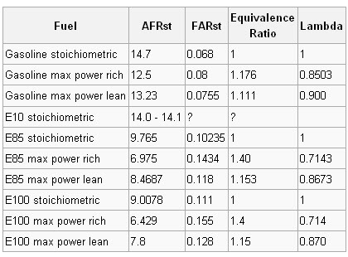
 |  |  |  |  |  |  | Reading this table and using the calculator:
 |  |  |  |  |  |  | 1. Don't understand Lambda? Out of the scope of this spreadsheet. Ignore it if you don't get it.
 |  |  |  |  |  |  | 2. Try to stay as close to "max power rich" lambda/AFR as you can for your choice fuel, never go leaner than "max power lean" except for economy
 |  |  |  |  |  |  | 3. Richer = cooler
 |  |  |  |  |  |  | 4. Cooler = safer
 |  |  |  |  |  |  | 5. The car doesn't ALWAYS hit the target, so if you target max lean, you'll most likely not always hit it and leave power on the table
 |  |  |  |  |  |  | **REMEMBER** TunerPro XDF is scaled for GASOLINE

 |  |  |  |  |  |  | FOR A RACING MAPS- damn near every relevant AFR should be between max power rich and max power lean
 |  |  |  |  |  |  | FOR ECONOMY MAPS- As close to max power lean as you can get away with, leaner where you aren't concerned with racing, richer where safety is a concern

 |  |  |  |  |  |  | IF YOU GO LEANER THAN STOICH (14.7:1 afr), your EGT will go up. NOx emissions will go up. Primary cats will not be happy with you. Gas companies will not be happy with you.
 |  |  |  |  |  |  | Only do this for low load situations. Misfires are common around 17:1, so don't push too far as there is fluctuation in AFR naturally, and EGR will effect this as well

 | More notes on AFR tuning- much is subject to debate between petrolheads
 | E10 max power rich is around 12.3 in the tunerpro table, but this may be unsafe due to heat… meaning you might make more power with richer AFR targets to around 11.8 or 12.0, due to timing.
 |  | Most will want to run richer, around 11.2 to 11.5 at high Load/RPM for safety here, but it's not ideal. If you're in Arizona maybe you should go even richer like 11:1

 | E85 max power rich AFR in TunerPro table scaling: 10.5 <----- THIS WOULD BE EPIC FOR COOLING, HORRIBLE FOR FUEL ECONOMY, AND OUR FUEL SYSTEM WOULD PROBABLY SHIT BRICKS
 | E85 max power lean AFR in TunerPro scaling: 12.6 <--- THIS IS AS LEAN AS YOU WANT TO GO ON E85 FOR PEAK POWER

 | E50 happy place I've found to be around 12.2:1 to 12.5:1 for our cars, but I haven't gone much richer due to fuel system limitations.

 |  |  |  |  |  | Keep both tables identical

My AFR table for pumpgas and stock cars with moderate lean cruise for cat protection, in case you aren't catless (seriously??)
14.901 | 14.901 | 14.901 | 14.901 | 14.901 | 14.901 | 14.901 | 14.901 | 14.700 | 14.700 | 14.700 | 14.700 | 14.700 | 14.700 | 14.700 | 14.700 | 14.700
14.901 | 14.901 | 14.901 | 14.901 | 14.901 | 14.901 | 14.901 | 14.901 | 14.700 | 14.700 | 14.700 | 14.700 | 14.700 | 14.700 | 14.700 | 14.700 | 14.700
14.901 | 14.901 | 14.901 | 14.901 | 14.901 | 14.901 | 14.901 | 14.901 | 14.700 | 14.700 | 14.700 | 14.700 | 14.700 | 14.700 | 14.700 | 14.700 | 14.700
14.901 | 14.901 | 14.901 | 14.901 | 14.901 | 14.901 | 14.901 | 14.901 | 14.700 | 14.700 | 14.671 | 14.671 | 14.126 | 14.126 | 14.111 | 14.083 | 14.000
14.901 | 14.901 | 14.901 | 14.901 | 14.901 | 14.901 | 14.901 | 14.901 | 14.700 | 14.700 | 14.671 | 14.671 | 14.083 | 14.083 | 14.004 | 14.004 | 14.004
15.001 | 15.001 | 15.001 | 15.001 | 15.001 | 15.001 | 15.001 | 14.901 | 14.700 | 14.700 | 14.671 | 14.671 | 14.083 | 14.083 | 14.004 | 14.004 | 14.004 | ** honestly I don't really run pump but if you have 91 in arizona this is probably what you want to run**
15.001 | 15.001 | 15.001 | 15.001 | 15.001 | 15.001 | 15.001 | 14.901 | 14.700 | 14.671 | 14.671 | 14.528 | 14.305 | 14.305 | 13.788 | 13.358 | 13.358
15.001 | 15.001 | 15.001 | 15.001 | 15.001 | 15.001 | 15.001 | 14.901 | 14.700 | 14.671 | 14.671 | 14.528 | 14.090 | 14.090 | 13.932 | 13.501 | 13.501
15.001 | 15.001 | 15.001 | 15.001 | 15.001 | 15.001 | 14.901 | 14.370 | 14.671 | 14.671 | 14.671 | 14.524 | 14.086 | 14.086 | 13.523 | 12.496 | 12.496
15.001 | 15.001 | 15.001 | 14.901 | 14.901 | 14.901 | 14.901 | 14.671 | 14.671 | 14.398 | 14.079 | 13.785 | 13.124 | 13.124 | 12.787 | 12.496 | 12.496
14.671 | 14.671 | 14.671 | 14.671 | 14.671 | 14.671 | 14.671 | 14.671 | 14.524 | 14.276 | 13.595 | 13.121 | 11.725 | 11.725 | 11.398 | 11.398 | 11.398 | * If you have 93/FMIC/Catless lean it out to 11.8 down here*
14.671 | 14.671 | 14.671 | 14.671 | 14.671 | 14.671 | 14.671 | 14.671 | 14.341 | 13.796 | 13.193 | 12.748 | 11.301 | 11.301 | 11.301 | 11.301 | 11.301
14.671 | 14.671 | 14.671 | 14.671 | 14.671 | 14.671 | 14.671 | 14.521 | 14.086 | 13.458 | 12.848 | 12.389 | 11.201 | 11.201 | 11.201 | 11.201 | 11.201
14.671 | 14.671 | 14.671 | 14.671 | 14.671 | 14.671 | 14.671 | 14.223 | 13.774 | 13.171 | 12.561 | 12.102 | 11.201 | 11.201 | 11.201 | 11.201 | 11.201
14.671 | 14.671 | 14.671 | 14.671 | 14.671 | 14.671 | 14.449 | 14.119 | 13.559 | 12.956 | 12.346 | 11.886 | 11.201 | 11.201 | 11.201 | 11.201 | 11.201
14.671 | 14.671 | 14.671 | 14.671 | 14.671 | 14.671 | 14.373 | 13.975 | 13.343 | 12.740 | 12.130 | 11.391 | 11.201 | 11.201 | 11.201 | 11.201 | 11.201
14.535 | 14.535 | 14.535 | 14.535 | 14.535 | 14.535 | 14.154 | 13.749 | 13.128 | 12.525 | 11.915 | 11.201 | 11.201 | 11.201 | 11.201 | 11.201 | 11.201
14.312 | 14.312 | 14.312 | 14.312 | 14.312 | 14.312 | 13.936 | 13.526 | 12.984 | 12.310 | 11.700 | 11.201 | 11.201 | 11.201 | 11.201 | 11.201 | 11.201

Stock AFR table:
14.671 | 14.671 | 14.671 | 14.671 | 14.671 | 14.671 | 14.671 | 14.671 | 14.671 | 14.671 | 14.671 | 14.671 | 14.671 | 14.671 | 14.377 | 14.083 | 14.083
14.671 | 14.671 | 14.671 | 14.671 | 14.671 | 14.671 | 14.671 | 14.671 | 14.671 | 14.671 | 14.671 | 14.671 | 14.671 | 14.671 | 14.377 | 14.083 | 14.083
14.671 | 14.671 | 14.671 | 14.671 | 14.671 | 14.671 | 14.671 | 14.671 | 14.671 | 14.671 | 14.671 | 14.671 | 14.671 | 14.671 | 14.377 | 14.083 | 14.083
14.671 | 14.671 | 14.671 | 14.671 | 14.671 | 14.671 | 14.671 | 14.671 | 14.671 | 14.671 | 14.671 | 14.671 | 14.377 | 14.126 | 14.111 | 14.083 | 14.083
14.671 | 14.671 | 14.671 | 14.671 | 14.671 | 14.671 | 14.671 | 14.671 | 14.671 | 14.671 | 14.671 | 14.671 | 14.377 | 14.083 | 14.004 | 14.004 | 14.004
14.671 | 14.671 | 14.671 | 14.671 | 14.671 | 14.671 | 14.671 | 14.671 | 14.671 | 14.671 | 14.671 | 14.671 | 14.377 | 14.083 | 14.004 | 14.004 | 14.004
14.671 | 14.671 | 14.671 | 14.671 | 14.671 | 14.671 | 14.671 | 14.671 | 14.671 | 14.671 | 14.671 | 14.528 | 14.456 | 14.305 | 13.788 | 13.358 | 13.358
14.671 | 14.671 | 14.671 | 14.671 | 14.671 | 14.671 | 14.671 | 14.671 | 14.671 | 14.671 | 14.671 | 14.528 | 14.456 | 14.090 | 13.932 | 13.501 | 13.501
14.671 | 14.671 | 14.671 | 14.671 | 14.671 | 14.671 | 14.671 | 14.671 | 14.671 | 14.671 | 14.671 | 14.524 | 14.406 | 14.086 | 13.523 | 12.496 | 12.496
14.671 | 14.671 | 14.671 | 14.671 | 14.671 | 14.671 | 14.671 | 14.671 | 14.671 | 14.398 | 14.079 | 13.785 | 13.519 | 13.124 | 12.787 | 12.496 | 12.496
14.671 | 14.671 | 14.671 | 14.671 | 14.671 | 14.671 | 14.671 | 14.671 | 14.524 | 14.276 | 13.595 | 13.121 | 12.701 | 11.725 | 11.273 | 11.273 | 11.273
14.671 | 14.671 | 14.671 | 14.671 | 14.671 | 14.671 | 14.671 | 14.671 | 14.341 | 13.796 | 13.193 | 12.748 | 12.407 | 11.186 | 11.050 | 11.021 | 11.021
14.671 | 14.671 | 14.671 | 14.671 | 14.671 | 14.671 | 14.671 | 14.521 | 14.086 | 13.458 | 12.848 | 12.389 | 11.438 | 10.878 | 10.878 | 10.878 | 10.878
14.671 | 14.671 | 14.671 | 14.671 | 14.671 | 14.671 | 14.671 | 14.223 | 13.774 | 13.171 | 12.561 | 12.102 | 10.996 | 10.878 | 10.878 | 10.878 | 10.878
14.671 | 14.671 | 14.671 | 14.671 | 14.671 | 14.671 | 14.449 | 14.119 | 13.559 | 12.956 | 12.346 | 11.886 | 10.878 | 10.878 | 10.878 | 10.878 | 10.878
14.671 | 14.671 | 14.671 | 14.671 | 14.671 | 14.671 | 14.373 | 13.975 | 13.343 | 12.740 | 12.130 | 11.391 | 10.878 | 10.878 | 10.878 | 10.878 | 10.878
14.535 | 14.535 | 14.535 | 14.535 | 14.535 | 14.535 | 14.154 | 13.749 | 13.128 | 12.525 | 11.915 | 10.953 | 10.878 | 10.878 | 10.878 | 10.878 | 10.878
14.312 | 14.312 | 14.312 | 14.312 | 14.312 | 14.312 | 13.936 | 13.526 | 12.984 | 12.310 | 11.700 | 10.878 | 10.878 | 10.878 | 10.878 | 10.878 | 10.878

JB4 PUMP table
14.671 | 14.671 | 14.671 | 14.671 | 14.671 | 14.671 | 14.671 | 14.671 | 14.671 | 14.671 | 14.671 | 14.671 | 14.671 | 14.671 | 14.377 | 14.083 | 14.083
14.671 | 14.671 | 14.671 | 14.671 | 14.671 | 14.671 | 14.671 | 14.671 | 14.671 | 14.671 | 14.671 | 14.671 | 14.671 | 14.671 | 14.377 | 14.083 | 14.083
14.671 | 14.671 | 14.671 | 14.671 | 14.671 | 14.671 | 14.671 | 14.671 | 14.671 | 14.671 | 14.671 | 14.671 | 14.671 | 14.671 | 14.377 | 14.083 | 14.083
14.671 | 14.671 | 14.671 | 14.671 | 14.671 | 14.671 | 14.671 | 14.671 | 14.671 | 14.671 | 14.671 | 14.671 | 14.377 | 14.126 | 14.111 | 14.083 | 14.083
14.671 | 14.671 | 14.671 | 14.671 | 14.671 | 14.671 | 14.671 | 14.671 | 14.671 | 14.671 | 14.671 | 14.671 | 14.377 | 14.083 | 14.004 | 14.004 | 14.004
14.671 | 14.671 | 14.671 | 14.671 | 14.671 | 14.671 | 14.671 | 14.671 | 14.671 | 14.671 | 14.671 | 14.671 | 14.377 | 14.083 | 14.004 | 14.004 | 14.004
14.671 | 14.671 | 14.671 | 14.671 | 14.671 | 14.671 | 14.671 | 14.671 | 14.671 | 14.671 | 14.671 | 14.528 | 14.456 | 14.305 | 13.788 | 13.358 | 13.358
14.671 | 14.671 | 14.671 | 14.671 | 14.671 | 14.671 | 14.671 | 14.671 | 14.671 | 14.671 | 14.671 | 14.528 | 14.456 | 14.090 | 13.932 | 13.501 | 13.501
14.671 | 14.671 | 14.671 | 14.671 | 14.671 | 14.671 | 14.671 | 14.671 | 14.671 | 14.671 | 14.671 | 14.524 | 14.406 | 14.086 | 13.523 | 12.496 | 12.496
14.671 | 14.671 | 14.671 | 14.671 | 14.671 | 14.671 | 14.671 | 14.671 | 14.671 | 14.398 | 14.079 | 13.785 | 13.519 | 13.124 | 12.787 | 12.496 | 12.496
14.671 | 14.671 | 14.671 | 14.671 | 14.671 | 14.671 | 14.671 | 14.671 | 14.524 | 14.276 | 13.595 | 13.121 | 12.701 | 11.725 | 11.273 | 11.273 | 11.273
14.671 | 14.671 | 14.671 | 14.671 | 14.671 | 14.671 | 14.671 | 14.671 | 14.341 | 13.796 | 13.193 | 12.748 | 12.407 | 11.186 | 11.050 | 11.021 | 11.021
14.671 | 14.671 | 14.671 | 14.671 | 14.671 | 14.671 | 14.671 | 14.521 | 14.086 | 13.458 | 12.848 | 12.389 | 11.438 | 10.878 | 10.878 | 10.878 | 10.878
14.671 | 14.671 | 14.671 | 14.671 | 14.671 | 14.671 | 14.671 | 14.223 | 13.774 | 13.171 | 12.561 | 12.102 | 10.996 | 10.878 | 10.878 | 10.878 | 10.878
14.671 | 14.671 | 14.671 | 14.671 | 14.671 | 14.671 | 14.449 | 14.119 | 13.559 | 12.956 | 12.346 | 11.886 | 10.878 | 10.878 | 10.878 | 10.878 | 10.878
14.671 | 14.671 | 14.671 | 14.671 | 14.671 | 14.671 | 14.373 | 13.975 | 13.343 | 12.740 | 12.130 | 11.391 | 10.878 | 10.878 | 10.878 | 10.878 | 10.878
14.535 | 14.535 | 14.535 | 14.535 | 14.535 | 14.535 | 14.154 | 13.749 | 13.128 | 12.525 | 11.915 | 10.953 | 10.878 | 10.878 | 10.878 | 10.878 | 10.878
14.312 | 14.312 | 14.312 | 14.312 | 14.312 | 14.312 | 13.936 | 13.526 | 12.984 | 12.310 | 11.700 | 10.878 | 10.878 | 10.878 | 10.878 | 10.878 | 10.878

Shiv stage 1 AFR table (93 octane FBO):
14.671 | 14.671 | 14.671 | 14.671 | 14.671 | 14.671 | 14.671 | 14.671 | 14.671 | 14.671 | 14.671 | 14.671 | 14.671 | 14.671 | 14.377 | 14.083 | 14.083
14.671 | 14.671 | 14.671 | 14.671 | 14.671 | 14.671 | 14.671 | 14.671 | 14.671 | 14.671 | 14.671 | 14.671 | 14.671 | 14.671 | 14.377 | 14.083 | 14.083
14.671 | 14.671 | 14.671 | 14.671 | 14.671 | 14.671 | 14.671 | 14.671 | 14.671 | 14.671 | 14.671 | 14.671 | 14.671 | 14.671 | 14.377 | 14.083 | 14.083
14.671 | 14.671 | 14.671 | 14.671 | 14.671 | 14.671 | 14.671 | 14.671 | 14.671 | 14.671 | 14.671 | 14.671 | 14.126 | 14.126 | 14.111 | 14.083 | 14.083
14.671 | 14.671 | 14.671 | 14.671 | 14.671 | 14.671 | 14.671 | 14.671 | 14.671 | 14.671 | 14.671 | 14.671 | 14.083 | 14.083 | 14.004 | 14.004 | 14.004
14.671 | 14.671 | 14.671 | 14.671 | 14.671 | 14.671 | 14.671 | 14.671 | 14.671 | 14.671 | 14.671 | 14.671 | 14.083 | 14.083 | 14.004 | 14.004 | 14.004
14.671 | 14.671 | 14.671 | 14.671 | 14.671 | 14.671 | 14.671 | 14.671 | 14.671 | 14.671 | 14.671 | 14.528 | 14.305 | 14.305 | 13.788 | 13.358 | 13.358
14.671 | 14.671 | 14.671 | 14.671 | 14.671 | 14.671 | 14.671 | 14.671 | 14.671 | 14.671 | 14.671 | 14.528 | 14.090 | 14.090 | 13.932 | 13.501 | 13.501
14.671 | 14.671 | 14.671 | 14.671 | 14.671 | 14.671 | 14.671 | 14.671 | 14.671 | 14.671 | 14.671 | 14.524 | 14.086 | 14.086 | 13.523 | 12.496 | 12.496
14.671 | 14.671 | 14.671 | 14.671 | 14.671 | 14.671 | 14.671 | 14.671 | 14.671 | 14.398 | 14.079 | 13.785 | 13.124 | 13.124 | 12.787 | 12.496 | 12.496
14.671 | 14.671 | 14.671 | 14.671 | 14.671 | 14.671 | 14.671 | 14.671 | 14.524 | 14.276 | 13.595 | 13.121 | 11.725 | 11.725 | 11.398 | 11.398 | 11.398
14.671 | 14.671 | 14.671 | 14.671 | 14.671 | 14.671 | 14.671 | 14.671 | 14.341 | 13.796 | 13.193 | 12.748 | 11.301 | 11.301 | 11.301 | 11.301 | 11.301 | **I kinda agree for 91/Stock at this part vs JB4 backend**
14.671 | 14.671 | 14.671 | 14.671 | 14.671 | 14.671 | 14.671 | 14.521 | 14.086 | 13.458 | 12.848 | 12.389 | 11.201 | 11.201 | 11.201 | 11.201 | 11.201
14.671 | 14.671 | 14.671 | 14.671 | 14.671 | 14.671 | 14.671 | 14.223 | 13.774 | 13.171 | 12.561 | 12.102 | 11.201 | 11.201 | 11.201 | 11.201 | 11.201
14.671 | 14.671 | 14.671 | 14.671 | 14.671 | 14.671 | 14.449 | 14.119 | 13.559 | 12.956 | 12.346 | 11.886 | 11.201 | 11.201 | 11.201 | 11.201 | 11.201
14.671 | 14.671 | 14.671 | 14.671 | 14.671 | 14.671 | 14.373 | 13.975 | 13.343 | 12.740 | 12.130 | 11.391 | 11.201 | 11.201 | 11.201 | 11.201 | 11.201
14.535 | 14.535 | 14.535 | 14.535 | 14.535 | 14.535 | 14.154 | 13.749 | 13.128 | 12.525 | 11.915 | 11.201 | 11.201 | 11.201 | 11.201 | 11.201 | 11.201
14.312 | 14.312 | 14.312 | 14.312 | 14.312 | 14.312 | 13.936 | 13.526 | 12.984 | 12.310 | 11.700 | 11.201 | 11.201 | 11.201 | 11.201 | 11.201 | 11.201

JB4 E85 AFR table (This is probably my favorite AFR table from Terry)
14.671 | 14.671 | 14.671 | 14.671 | 14.671 | 14.671 | 14.671 | 14.671 | 14.671 | 14.671 | 14.671 | 14.671 | 14.671 | 14.671 | 14.671 | 14.671 | 14.671
14.671 | 14.671 | 14.671 | 14.671 | 14.671 | 14.671 | 14.671 | 14.671 | 14.671 | 14.671 | 14.671 | 14.671 | 14.671 | 14.671 | 14.671 | 14.671 | 14.671
14.671 | 14.671 | 14.671 | 14.671 | 14.671 | 14.671 | 14.671 | 14.671 | 14.671 | 14.671 | 14.671 | 14.671 | 14.671 | 14.671 | 14.671 | 14.671 | 14.671
14.671 | 14.671 | 14.671 | 14.671 | 14.671 | 14.671 | 14.671 | 14.671 | 14.126 | 14.126 | 14.126 | 14.126 | 14.126 | 14.126 | 14.126 | 14.126 | 14.126
14.671 | 14.671 | 14.671 | 14.671 | 14.671 | 14.671 | 14.671 | 14.671 | 14.083 | 14.083 | 14.083 | 14.083 | 14.083 | 14.083 | 14.083 | 14.083 | 14.083
14.671 | 14.671 | 14.671 | 14.671 | 14.671 | 14.671 | 14.671 | 14.671 | 14.083 | 14.083 | 14.083 | 14.083 | 14.083 | 14.083 | 14.083 | 14.083 | 14.083
14.671 | 14.671 | 14.671 | 14.671 | 14.671 | 14.671 | 14.671 | 14.671 | 14.305 | 14.305 | 14.305 | 14.305 | 14.305 | 14.305 | 14.305 | 14.305 | 14.305
14.671 | 14.671 | 14.671 | 14.671 | 14.671 | 14.671 | 14.671 | 14.671 | 14.090 | 14.090 | 14.090 | 14.090 | 14.090 | 14.090 | 14.090 | 14.090 | 14.090
14.671 | 14.671 | 14.671 | 14.671 | 14.671 | 14.671 | 14.671 | 14.671 | 14.086 | 14.086 | 14.086 | 14.086 | 14.086 | 14.086 | 14.086 | 14.086 | 14.086
14.671 | 14.671 | 14.671 | 14.671 | 14.671 | 14.671 | 14.671 | 13.501 | 13.124 | 13.124 | 13.124 | 13.124 | 13.124 | 13.124 | 13.124 | 13.124 | 13.124
14.671 | 14.671 | 14.671 | 14.671 | 14.671 | 14.671 | 14.151 | 12.751 | 12.751 | 12.550 | 12.550 | 12.550 | 12.550 | 12.550 | 12.550 | 12.550 | 12.550 | **Targets so lean because LPFP and HPFP**
14.671 | 14.671 | 14.671 | 14.671 | 14.671 | 14.671 | 14.000 | 12.751 | 12.661 | 12.550 | 12.550 | 12.550 | 12.550 | 12.550 | 12.550 | 12.550 | 12.550
14.671 | 14.671 | 14.671 | 14.671 | 14.671 | 14.671 | 13.961 | 12.751 | 12.661 | 12.550 | 12.550 | 12.550 | 12.550 | 12.550 | 12.550 | 12.550 | 12.550
14.671 | 14.671 | 14.671 | 14.671 | 14.671 | 14.671 | 13.921 | 12.751 | 12.661 | 12.550 | 12.550 | 12.550 | 12.550 | 12.550 | 12.550 | 12.550 | 12.550
14.671 | 14.671 | 14.671 | 14.671 | 14.671 | 14.671 | 13.849 | 12.751 | 12.661 | 12.550 | 12.550 | 12.550 | 12.550 | 12.550 | 12.550 | 12.550 | 12.550
14.671 | 14.671 | 14.671 | 14.671 | 14.671 | 14.671 | 13.770 | 12.751 | 12.661 | 12.550 | 12.550 | 12.550 | 12.550 | 12.550 | 12.550 | 12.550 | 12.550
14.535 | 14.535 | 14.535 | 14.535 | 14.535 | 14.535 | 13.641 | 12.751 | 12.661 | 12.550 | 12.550 | 12.550 | 12.550 | 12.550 | 12.550 | 12.550 | 12.550
14.312 | 14.312 | 14.312 | 14.312 | 14.312 | 14.312 | 13.458 | 12.751 | 12.661 | 12.550 | 12.550 | 12.550 | 12.550 | 12.550 | 12.550 | 12.550 | 12.550

Personal E50+FBO+255 inline AFR curve
14.901 | 14.901 | 14.901 | 14.901 | 14.901 | 14.901 | 14.901 | 14.901 | 14.671 | 14.671 | 14.671 | 14.671 | 14.671 | 14.671 | 14.671 | 14.671 | 14.671
14.901 | 14.901 | 14.901 | 14.901 | 14.901 | 14.901 | 14.901 | 14.901 | 14.671 | 14.671 | 14.671 | 14.671 | 14.671 | 14.671 | 14.671 | 14.671 | 14.671
14.901 | 14.901 | 14.901 | 14.901 | 14.901 | 14.901 | 14.901 | 14.901 | 14.671 | 14.671 | 14.671 | 14.671 | 14.671 | 14.671 | 14.671 | 14.671 | 14.671
14.901 | 14.901 | 14.901 | 14.901 | 14.901 | 14.901 | 14.901 | 14.901 | 14.671 | 14.671 | 14.671 | 14.671 | 14.126 | 14.126 | 14 | 14 | 14
14.901 | 14.901 | 14.901 | 14.901 | 14.901 | 14.901 | 14.901 | 14.901 | 14.7 | 14.7 | 14.7 | 14.09 | 14.09 | 14.09 | 14.09 | 14.09 | 14.09
15.199 | 15.199 | 15.199 | 15.199 | 15.199 | 15.001 | 15.001 | 14.901 | 14.7 | 14.7 | 14.7 | 14.09 | 14.09 | 14.09 | 14.09 | 14.09 | 14.09
15.802 | 15.802 | 15.802 | 15.5 | 15.199 | 15.001 | 15.001 | 14.901 | 14.599 | 14.201 | 14.201 | 14.09 | 14.09 | 14.09 | 13.9 | 13.591 | 13.591
15.802 | 15.802 | 15.802 | 15.5 | 15.199 | 15.001 | 15.001 | 14.901 | 14.398 | 14.09 | 14.09 | 14.09 | 14.09 | 13.9 | 13.401 | 13.2 | 13.099
15.802 | 15.802 | 15.802 | 15.199 | 15.199 | 14.901 | 14.901 | 14.671 | 14.101 | 14.086 | 14 | 13.799 | 13.602 | 13.9 | 12.6 | 12.6 | 12.5 | *YMMV* and I change this more than a stripper changes her pasties
15.199 | 15.199 | 15.199 | 14.901 | 14.901 | 14.671 | 14.671 | 14.302 | 13.9 | 13.799 | 13.699 | 13.2 | 12.801 | 12.801 | 12.6 | 12.5 | 12.199
14.671 | 14.671 | 14.671 | 14.671 | 14.671 | 14.671 | 14.201 | 14.201 | 13.799 | 13.699 | 13.602 | 12.898 | 12.5 | 12.5 | 12.4 | 12.4 | 12.199
14.671 | 14.671 | 14.671 | 14.671 | 14.671 | 14.671 | 14.201 | 14.201 | 13.9 | 13.2 | 12.999 | 12.801 | 12.5 | 12.4 | 12.299 | 12.299 | 12.001
14.671 | 14.671 | 14.671 | 14.671 | 14.671 | 14.671 | 14.201 | 14 | 13.401 | 13.099 | 12.801 | 12.5 | 12.5 | 12.4 | 12.299 | 12.199 | 12.001
14.671 | 14.671 | 14.671 | 14.671 | 14.671 | 14.671 | 14.201 | 14 | 13.401 | 12.898 | 12.55 | 12.5 | 12.4 | 12.299 | 12.199 | 12.199 | 12.001
14.671 | 14.671 | 14.671 | 14.671 | 14.671 | 14.671 | 14.201 | 13.9 | 13.401 | 12.898 | 12.55 | 12.5 | 12.4 | 12.299 | 12.199 | 12.199 | 12.001
14.671 | 14.671 | 14.671 | 14.671 | 14.671 | 14.671 | 14.201 | 13.799 | 13.401 | 12.898 | 12.4 | 12.199 | 12.199 | 12.102 | 12.102 | 12.001 | 11.8
14.535 | 14.535 | 14.535 | 14.535 | 14.535 | 14.535 | 14 | 13.799 | 13.2 | 12.6 | 12.4 | 12.199 | 12.199 | 12.001 | 12.001 | 12.001 | 11.8
14.312 | 14.312 | 14.312 | 14.312 | 14.312 | 14.312 | 14 | 13.602 | 13.2 | 12.5 | 12.4 | 12.199 | 12.199 | 12.001 | 12.001 | 12.001 | 11.8

Igniton Timing & IAT
Updated March 2016
These tables can be dangerous and are hard to guess without a dyno and many logs. SO DO NOT GUESS VALUES AND NO HUGE CHANGES!!! Small changes to advance tables based on logs is key.
Things that can affect spark advance tables GLOBALLY are fuel type and compression generally
 | E85- Ethanol has a slower flame speed than gasoline. On our motors it's not a huge deal, though.
 |  | Below 100 load generally- Leave 0-700 RPM stock or 0.5 more advance, then add in timing as RPM increases if you'd like up to around 2 degrees.
 |  | Above 100 load generally- you will run more advance than race gas tunes, I like 10-11 degrees at spool, MBT on 100% E85 is around 14 degrees, 13.5 for E50-E60

 | Race gas- The only part of the table you need concern yourself with is after 100 load. 9-10 degrees at spool with 12.5 degrees up top works well.

 | Notes- | Flame speed decreases on BOTH sides of stoich, so if you have lean cruise AFR's over 14.6:1 you can increase timing slightly in those cells (works well with E85)
 |  | If you have very rich AFR's you can sometimes increase timing in those cells depending on mods and conditions. It's a balance as to what will give you the most power, AFR vs timing, decide on a dyno.
 |  | After peak torque, slowly increase timing with RPM
 |  | Too little timing creates excess heat (no biggie, leaves via exhaust)
 |  | Too much timing (especially through the midrange) creates cracked ringlands and blown motors
 |  | Just right timing takes a Dyno and a long session, or you can aim at rational values and clean logs on the road.
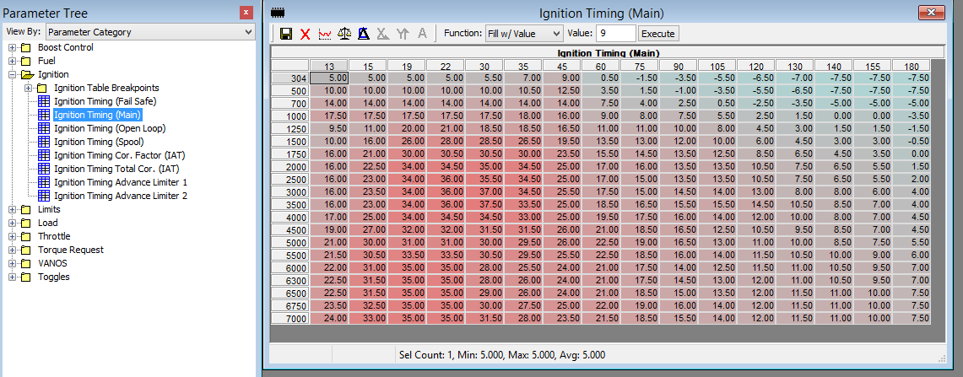

 |  |  |  |  |  |  |  |  |  |  |  |  |  |  |  | Most critical part of the timing table

 |  |  |  |  |  |  | Timing shenanigans, why are they LOWER at vaccuum? Because, BMW. No good reason IMO.

 | A few example tables

Stock
5 | 5 | 5 | 5 | 5.5 | 7 | 9 | 0.5 | -1.5 | -3.5 | -5.5 | -6.5 | -7 | -7.5 | -7.5 | -7.5
10 | 10 | 10 | 10 | 10 | 10.5 | 12.5 | 3.5 | 1.5 | -1 | -3.5 | -5.5 | -6.5 | -7.5 | -7.5 | -7.5
14 | 14 | 14 | 14 | 14 | 14 | 14 | 7.5 | 4 | 2.5 | 0.5 | -2.5 | -3.5 | -5 | -5 | -5
17.5 | 17.5 | 17.5 | 17.5 | 17.5 | 18 | 16 | 9 | 8 | 7.5 | 5.5 | 2.5 | 1.5 | 0 | 0 | -3.5
9.5 | 11 | 20 | 21 | 18.5 | 18.5 | 16.5 | 11 | 11 | 10 | 8 | 4.5 | 3 | 1.5 | 1.5 | -1.5
10 | 16 | 26 | 28 | 28.5 | 26.5 | 19.5 | 13.5 | 13 | 12 | 10 | 6 | 4.5 | 3 | 3 | -0.5
16 | 21 | 30 | 30.5 | 30.5 | 30 | 23.5 | 15.5 | 14.5 | 13.5 | 12.5 | 8.5 | 6.5 | 4.5 | 3.5 | 0
16 | 22.5 | 34 | 34.5 | 35 | 34.5 | 25 | 17 | 16 | 13.5 | 13.5 | 10.5 | 7.5 | 6.5 | 5.5 | 1.5
16 | 23 | 34 | 36 | 35.5 | 34.5 | 25 | 17 | 15 | 13.5 | 13.5 | 10.5 | 7.5 | 6.5 | 5.5 | 2
16 | 23.5 | 34 | 36 | 37 | 34.5 | 25.5 | 17.5 | 15 | 14.5 | 14 | 13 | 8 | 8 | 6 | 4
16 | 23 | 34 | 36 | 37.5 | 33.5 | 25 | 18.5 | 16.5 | 15.5 | 15.5 | 14.5 | 10.5 | 8.5 | 7 | 4
17 | 25 | 34 | 34.5 | 34.5 | 33 | 25 | 19.5 | 17.5 | 16 | 14 | 12 | 10 | 8 | 7 | 4.5
19 | 27 | 32 | 32 | 31.5 | 31.5 | 26 | 21 | 18.5 | 16.5 | 12.5 | 10.5 | 9.5 | 8.5 | 7 | 4.5
21 | 30 | 31 | 31 | 30 | 29.5 | 26 | 22.5 | 19 | 16.5 | 13 | 11 | 10 | 8.5 | 7.5 | 5.5
21.5 | 30.5 | 33.5 | 33.5 | 30.5 | 29.5 | 25.5 | 22.5 | 18.5 | 16 | 14 | 11.5 | 10.5 | 10 | 9 | 6
22 | 31 | 35 | 35 | 28 | 25.5 | 24 | 21 | 17.5 | 14 | 12.5 | 11.5 | 11 | 10.5 | 9.5 | 7
22.5 | 31.5 | 35 | 35 | 28 | 26 | 24 | 21 | 17.5 | 14.5 | 13 | 12 | 11 | 10.5 | 9.5 | 7
22.5 | 31.5 | 35 | 35 | 29 | 26 | 24 | 21 | 18.5 | 15 | 13.5 | 12 | 11.5 | 11 | 10 | 7.5
23.5 | 32.5 | 35 | 35 | 30 | 27.5 | 25 | 22 | 19 | 16 | 14 | 12 | 11.5 | 11 | 10 | 7.5
24 | 33 | 35 | 35 | 31.5 | 28 | 23.5 | 21.5 | 18.5 | 15.5 | 14 | 12 | 11.5 | 11 | 10 | 7.5

JB4 pump (newer)
5 | 5 | 5 | 5 | 5.5 | 7 | 9 | 0.5 | -1.5 | -3.5 | -5.5 | -6.5 | -7 | -8 | -9 | -7.5
10 | 10 | 10 | 10 | 10 | 10.5 | 12.5 | 3.5 | 1.5 | -1 | -3.5 | -5.5 | -6.5 | -8 | -9 | -7.5
14 | 14 | 14 | 14 | 14 | 14 | 14 | 7.5 | 4 | 2.5 | 0.5 | -2.5 | -3.5 | -5.5 | -6.5 | -5
17.5 | 17.5 | 17.5 | 17.5 | 17.5 | 18 | 16 | 9 | 8 | 7.5 | 5.5 | 2.5 | 1.5 | -0.5 | -1.5 | -3.5
9.5 | 11 | 20 | 21 | 18.5 | 18.5 | 16.5 | 11 | 11 | 10 | 8 | 4.5 | 3 | 1 | 0 | -1.5
9.5 | 15 | 25 | 27 | 27.5 | 26 | 19 | 13.5 | 13 | 12 | 10 | 6 | 4.5 | 2.5 | 1.5 | -0.5
15.5 | 20 | 29 | 29.5 | 29.5 | 29 | 22.5 | 15.5 | 14.5 | 13.5 | 12.5 | 8.5 | 6.5 | 4 | 2 | 0
16 | 21.5 | 32 | 32 | 33 | 33 | 24 | 17 | 16 | 13.5 | 13.5 | 10.5 | 7.5 | 4.5 | 2.5 | 1.5
16 | 22 | 32 | 34.5 | 34.5 | 33 | 24 | 17 | 15 | 13.5 | 13.5 | 10.5 | 7.5 | 4.5 | 2.5 | 2
16 | 22.5 | 31 | 34.5 | 36 | 33.5 | 24.5 | 17.5 | 15 | 14.5 | 14 | 13 | 7.5 | 4.5 | 3 | 3
16 | 23 | 34 | 36 | 37.5 | 33.5 | 25 | 18.5 | 16.5 | 15.5 | 15.5 | 14.5 | 7.5 | 5.5 | 3.5 | 3
17 | 25 | 34 | 34.5 | 34.5 | 33 | 25 | 19.5 | 17.5 | 16 | 14 | 12 | 8 | 6.5 | 4 | 4
19 | 27 | 32 | 32 | 31.5 | 31.5 | 26 | 21 | 18.5 | 16.5 | 12.5 | 10.5 | 9.5 | 7.5 | 5 | 4.5
21 | 30 | 31 | 31 | 30 | 29.5 | 26 | 22.5 | 19 | 16.5 | 13 | 11 | 10 | 8 | 6 | 5.5
21.5 | 30.5 | 33.5 | 33.5 | 30.5 | 29.5 | 25.5 | 22.5 | 18.5 | 16 | 14 | 11.5 | 10 | 9.5 | 7.5 | 6
22 | 31 | 35 | 35 | 28 | 25.5 | 24 | 21 | 17.5 | 14 | 12.5 | 11.5 | 10 | 9.5 | 8 | 7
22.5 | 31.5 | 35 | 35 | 28 | 26 | 24 | 21 | 17.5 | 14.5 | 12.5 | 11.5 | 10 | 9.5 | 8 | 7
22.5 | 31.5 | 35 | 35 | 29 | 26 | 24 | 21 | 18.5 | 15 | 12.5 | 11.5 | 10 | 9.5 | 8.5 | 7.5
23.5 | 32.5 | 35 | 35 | 30 | 27.5 | 25 | 22 | 19 | 16 | 12.5 | 11.5 | 10 | 9.5 | 8.5 | 7.5
24 | 33 | 35 | 35 | 31.5 | 28 | 23.5 | 21.5 | 18.5 | 15.5 | 12.5 | 11.5 | 10 | 9.5 | 8.5 | 7.5

My E85 (E50-E60) timing map
0 | 0 | 2 | 5 | 5.5 | 7 | 9 | 0.5 | -1.5 | -1.5 | -2 | -2 | -2 | -3 | -4 | -4.5
5 | 5 | 7 | 10 | 10 | 10.5 | 12.5 | 3.5 | 1.5 | 1 | 0.5 | 0 | 0 | -1 | -2 | -2.5
9 | 9 | 11 | 14 | 14 | 14 | 14 | 7.5 | 4 | 5.5 | 4 | 4 | 4 | 3 | 2 | 1.5
13 | 15 | 17.5 | 17.5 | 17.5 | 18 | 16 | 9 | 9 | 11 | 9 | 9 | 9 | 8 | 5 | 3
18 | 20 | 20 | 21 | 18.5 | 18.5 | 16.5 | 11.5 | 12 | 10.5 | 10.5 | 10 | 10 | 9.5 | 6.5 | 4.5
23 | 25 | 25.5 | 27.5 | 28 | 26.5 | 19.5 | 14 | 14.5 | 12 | 12 | 12 | 10 | 9.5 | 9 | 6.5
24.5 | 29 | 29.5 | 30 | 30 | 29.5 | 23 | 16 | 15 | 13.5 | 13.5 | 13 | 10.5 | 10 | 8.5 | 7.5
27.5 | 32 | 32.5 | 32.5 | 33.5 | 33.5 | 24.5 | 17.5 | 17 | 14.5 | 14.5 | 13 | 10.5 | 10 | 9 | 9
27.5 | 32 | 32.5 | 35 | 35 | 33.5 | 24.5 | 17.5 | 15.5 | 14.5 | 14.5 | 13 | 11 | 11 | 10.5 | 9.5
26.5 | 31 | 31.5 | 35 | 36.5 | 34 | 25 | 18 | 15.5 | 14.5 | 14.5 | 13 | 11.5 | 11.5 | 11.5 | 10
33 | 37.5 | 37.5 | 36 | 37.5 | 33.5 | 25 | 18.5 | 16.5 | 14.5 | 14.5 | 13 | 12.5 | 12 | 11.5 | 11
28 | 30 | 34.5 | 34.5 | 34.5 | 33 | 25 | 19.5 | 17.5 | 14.5 | 14.5 | 13 | 12.5 | 12.5 | 12 | 12
25 | 30 | 32 | 32 | 31.5 | 31.5 | 26 | 21 | 18.5 | 14.5 | 14.5 | 14 | 13.5 | 13 | 12.5 | 12
23 | 30 | 31 | 31 | 30 | 29.5 | 26 | 22.5 | 19 | 14.5 | 14.5 | 14 | 13.5 | 13 | 12.5 | 12.5
23.5 | 30.5 | 33.5 | 33.5 | 30.5 | 29.5 | 25.5 | 22.5 | 18.5 | 14.5 | 14.5 | 14 | 13.5 | 13 | 12.5 | 12.5
24 | 31 | 35 | 35 | 28 | 25.5 | 24 | 21 | 17.5 | 14 | 14 | 14.5 | 14 | 13.5 | 12.5 | 12.5
24.5 | 31.5 | 35 | 35 | 28 | 26 | 24 | 21 | 17.5 | 14.5 | 14.5 | 15 | 14 | 13.5 | 13 | 12.5
24.5 | 31.5 | 35 | 35 | 29 | 26 | 24 | 21 | 18.5 | 15 | 15 | 15 | 14 | 13.5 | 13 | 12.5
25.5 | 32.5 | 35 | 35 | 30 | 27.5 | 25 | 22 | 19 | 15.5 | 15.5 | 15 | 14.5 | 13.5 | 13 | 12.5
26 | 33 | 35 | 35 | 31.5 | 28 | 23.5 | 21.5 | 18.5 | 15.5 | 15.5 | 15 | 14.5 | 13.5 | 13 | 13

IAT tables

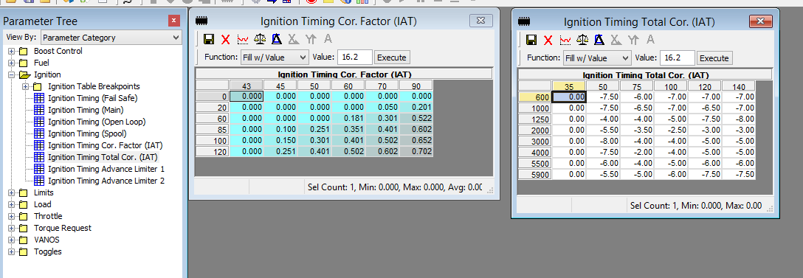

Notes on this table- you can modify it if you are using a strong mix of E85, or just make it weaker (numbers closer to zero)
 | Some example tables to see there's many different ways to do it.
Stock corection factor |  |  |  |  |  |  | Stock total correction
0 | 0 | 0 | 0 | 0 | 0 |  | 0 | -7.5 | -6 | -7 | -7 | -7
0 | 0 | 0 | 0 | 0.05 | 0.201 |  | 0 | -7.5 | -6.5 | -7 | -6.5 | -7
0 | 0 | 0 | 0.181 | 0.301 | 0.522 |  | 0 | -4 | -4 | -5 | -7.5 | -8
0 | 0.1 | 0.251 | 0.351 | 0.401 | 0.602 |  | 0 | -5.5 | -3.5 | -2.5 | -3 | -3
0 | 0.15 | 0.301 | 0.401 | 0.502 | 0.652 |  | 0 | -8 | -4 | -2.5 | -3.5 | -4
0 | 0.251 | 0.401 | 0.502 | 0.602 | 0.702 |  | 0 | -7.5 | -2 | -4.5 | -5 | -4.5
 |  |  |  |  |  |  | 0 | -6 | -4 | -4 | -4.5 | -4.5
 |  |  |  |  |  |  | 0 | -5.5 | -5 | -5.5 | -7 | -7.5

JB4 Pump correction factor |  |  |  |  |  |  | JB4 Pump total correction
0 | 0 | 0.15 | 0.4 | 0.5 | 0.75 |  | 0 | -7.5 | -6 | -7 | -7 | -7
0 | 0 | 0.15 | 0.4 | 0.5 | 0.75 |  | 0 | -7.5 | -6.5 | -7 | -6.5 | -7
0 | 0 | 0.15 | 0.4 | 0.5 | 0.75 |  | 0 | -4 | -4 | -5 | -7.5 | -8
0 | 0 | 0.15 | 0.4 | 0.5 | 0.75 |  | 0 | -5.5 | -3.5 | -2.5 | -3 | -3
0 | 0 | 0.15 | 0.4 | 0.5 | 0.75 |  | 0 | -8 | -4 | -4 | -5 | -5
0 | 0 | 0.15 | 0.4 | 0.5 | 0.75 |  | 0 | -7.5 | -2 | -4 | -5 | -5
 |  |  |  |  |  |  | 0 | -6 | -4 | -5 | -6 | -6
 |  |  |  |  |  |  | 0 | -5.5 | -5 | -6 | -7.5 | -7.5

My E85 correction factor |  |  |  |  |  |  | My E60 total correection (same as stock)
0 | 0 | 0 | 0 | 0 | 0 |  | 0 | -7.5 | -6 | -7 | -7 | -7
0 | 0 | 0 | 0 | 0 | 0 |  | 0 | -7.5 | -6.5 | -7 | -6.5 | -7
0 | 0 | 0 | 0 | 0.1 | 0.25 |  | 0 | -4 | -4 | -5 | -7.5 | -8
0 | 0 | 0 | 0.1 | 0.1 | 0.25 |  | 0 | -5.5 | -3.5 | -2.5 | -3 | -3
0 | 0 | 0 | 0.1 | 0.2 | 0.4 |  | 0 | -8 | -4 | -2.5 | -3.5 | -4
0 | 0 | 0 | 0.1 | 0.2 | 0.4 |  | 0 | -7.5 | -2 | -4.5 | -5 | -4.5
 |  |  |  |  |  |  | 0 | -6 | -4 | -4 | -4.5 | -4.5
 |  |  |  |  |  |  | 0 | -5.5 | -5 | -5.5 | -7 | -7.5
*in progress*
If you wire in a switched resistor to your IAT sensor, you can setup antilag. JB4 is doing this now as well.
You want to create an IAT timing table that removes all of your base timing (10-12 degrees usually) at very low reported temperatures
Best way to set this up is to creat a static total correction, and use the correction factor to dynamically vary timing. Necessary since load will vary.
MAKE SURE TO CHANGE THE BREAKPOINTS ON THE IAT CORRECTION FACTOR TABLE SO THE FIRST COLUMN IS MUCH COLDER (based upon the resistor you use for flash only)

ANTILAG correction factor with some E85 mix |  |  |  |  |  |  | ANTILAG total correction
1 | 0 | 0 | 0 | 0 | 0 |  | -10 | -10 | -10 | -10 | -10 | -10
1 | 0 | 0 | 0 | 0 | 0 |  | -10 | -10 | -10 | -10 | -10 | -10
1 | 0 | 0 | 0 | 0.1 | 0.25 |  | -10 | -10 | -10 | -10 | -10 | -10
1 | 0 | 0 | 0 | 0.1 | 0.25 |  | -10 | -10 | -10 | -10 | -10 | -10
1 | 0 | 0 | 0 | 0.2 | 0.4 |  | -10 | -10 | -10 | -10 | -10 | -10
1 | 0 | 0 | 0 | 0.2 | 0.4 |  | -10 | -10 | -10 | -10 | -10 | -10
 |  |  |  |  |  |  | -10 | -10 | -10 | -10 | -10 | -10
antilag cells in yellow, make sure IAT sensor reports lower than this |  |  |  |  |  |  | -10 | -10 | -10 | -10 | -10 | -10
You may have difficulty in very cold climates, if it actually gets this cold

Vanos
Updated March 2016
Vanos
These settings control cam angle relative to TDC. It's like super German VTEC, 'yo. Some notes on how to adjust things:

Exhaust cam range of adjustment 80-135 degrees BTDC
Raise the exhaust cam value (advancing cam), opens the exhaust valve earlier(measured BTDC) and reduces overlap.
 | This move increases cylinder pressure and engine vaccuum in some cases, reduce EGR effect etc with less effect on power than changes to the intake cam.
Lower the exhaust cam value (retarding cam), open the exhaust valve later, which increases overlap (since it will close later too, when the intake valve is likely to be opening)
 | This move can decrease cylinder pressure in some cases (known as dynamic compression), can increase EGR effect

Intake cam range of adjustment 70-125 ATDC
Raise the intake cam value (retards cam), opens the valve later and reduces overlap (measured ATDC, value is gap from centerline value which for exhuast is AFTER top dead center)
 | Good for top end power (can increase cylinder fill due to speed of incomming air at high RPM)
Lower the intake cam number (advancing cam), opens the intake valve earlier (increase overlap, increase cylinder pressure at low RPM)
 | Good for low end power (increases cylinder fill when piston/air speed is slower and back pressure is lower, helps the engine gobble more air down low)
TLDR- LOWER values in tables INCREASE overlap, HIGHER values in tables DECREASE overlap. Overlap = good for spool/low back pressure, bad for lots of back pressure.

If you want to understand more read this part, if not just skip to the tables:
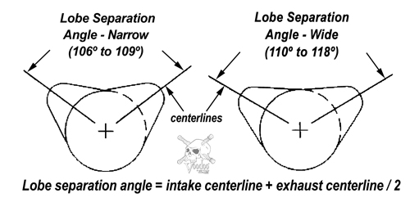

 |  |  |  |  |  |  |  | This image is for a Chevy, but it illustrates the concept well. We simply separate intake/exhaust onto separate camshafts.

Degrees ATDC
Degrees BTDC
 |  |  |  |  |  |  |  | I drew in a line for TDC, notice measurments are in relation to this line (in a nut shell), either Before Top Dead Center (BTDC, exhaust) or After Top Dead Center (ATDC, intake)

Notes on overlap and EGR: Anywhere you see a low lobe separation value will have a strong EGR effect due to lots of overlap. This is expected at partial loads, which proves true (highlighted in RED).
If you would like to toy with removing it, adjust the values in the EC and IC tables however you'd like to get the calculated LSA value higher, definitely over 90, higher still if you'd like to reduce it even more.

A note on dynamic compression- you can adjust the compression of the motor with cam timing. This means, you can prevent knock (to an extent) by adding in overlap in some situations. This gets tricky, however, due to thermal management of the exhaust gases.

Calculating Lobe Separation Angle to guestimate relative overlap-
 | Lobe separation angle (refer to above picture) tells you how far apart the two valve events are in crank degrees. The smaller the LSA value, the closer the events are to each other. Get them close enough and you have lots of overlap.
 | Lots of overlap (small LSA) leads to an EGR effect as exhaust gasses will escape into the intake manifold. This contributes to carbon buildup, but also fills the cylinder with inert gas and improves fuel economy by decreasing engine displacement.
 | Lots of overlap also decreases dynamic compression, meaning when you are off the gas or at low throttle, the engine will not engine brake as hard, allowing you to coast in gear farther.
 | Fast naturally aspirated Chevy's with big cams have lots of overlap, since they can't adjust the LSA on a single cam, this leads to a "lopey" idle. BMW's have silky smooth idle due to high LSA values at idle

Stock table values provided but these cells are editable so feel free to copy/paste or modify to calculate alternate LSA values below
 | EDITABLE Exhaust warm (centerline) paste in your values or modify this stock table |  |  |  |  |  |  |  |  |  |  |  |  | EDITABLE Intake warm (centerline) paste in your values or modify this stock table
 | 16 | 18 | 24 | 30 | 40 | 60 | 75 | 100 | 115 | 125 | 150 | 170 |  | 16 | 18 | 24 | 30 | 40 | 60 | 75 | 100 | 115 | 125 | 150 | 170
500 | 132 | 130.4 | 127.2 | 122.4 | 115.2 | 95.2 | 95.2 | 109.6 | 109.6 | 109.6 | 109.6 | 109.6 |  | 125.6 | 125.6 | 124 | 120 | 111.2 | 85.6 | 84.8 | 90.4 | 94.4 | 94.4 | 94.4 | 94.4
800 | 130.4 | 128.8 | 124.8 | 117.6 | 107.2 | 92.8 | 95.2 | 104.8 | 109.6 | 109.6 | 109.6 | 109.6 |  | 125.6 | 125.6 | 124 | 118.4 | 111.2 | 85.6 | 84.8 | 90.4 | 94.4 | 94.4 | 94.4 | 94.4
1000 | 130.4 | 121.6 | 115.2 | 111.2 | 104 | 92.8 | 95.2 | 103.2 | 109.6 | 109.6 | 109.6 | 109.6 |  | 125.6 | 125.6 | 121.6 | 115.2 | 100 | 78.4 | 77.6 | 87.2 | 94.4 | 94.4 | 94.4 | 94.4
1250 | 130.4 | 119.2 | 113.6 | 108 | 100 | 92 | 95.2 | 103.2 | 109.6 | 109.6 | 109.6 | 109.6 |  | 125.6 | 125.6 | 120 | 114.4 | 99.2 | 77.6 | 72.8 | 87.2 | 94.4 | 94.4 | 94.4 | 94.4
1500 | 130.4 | 110.4 | 100 | 96.8 | 87.2 | 90.4 | 97.6 | 103.2 | 109.6 | 109.6 | 109.6 | 109.6 |  | 125.6 | 118.4 | 107.2 | 100.8 | 92.8 | 76.8 | 72.8 | 87.2 | 96.8 | 96.8 | 96.8 | 96.8
1750 | 120 | 104.8 | 96.8 | 93.6 | 86.4 | 91.2 | 99.2 | 103.2 | 109.6 | 109.6 | 109.6 | 109.6 |  | 120 | 111.2 | 105.6 | 99.2 | 88.8 | 76.8 | 72.8 | 87.2 | 99.2 | 99.2 | 99.2 | 99.2
2000 | 113.6 | 100.8 | 95.2 | 91.2 | 84.8 | 91.2 | 100.8 | 103.2 | 109.6 | 109.6 | 109.6 | 109.6 |  | 117.6 | 108 | 103.2 | 97.6 | 80.8 | 72 | 72.8 | 87.2 | 99.2 | 99.2 | 99.2 | 99.2
2500 | 110.4 | 100 | 92 | 85.6 | 84.8 | 91.2 | 103.2 | 103.2 | 109.6 | 109.6 | 109.6 | 109.6 |  | 116 | 106.4 | 102.4 | 92.8 | 77.6 | 72.8 | 80 | 84.8 | 94.4 | 94.4 | 94.4 | 94.4
2750 | 110.4 | 100 | 92 | 85.6 | 84.8 | 95.2 | 103.2 | 103.2 | 105.6 | 105.6 | 104.8 | 104.8 |  | 115.2 | 106.4 | 99.2 | 92.8 | 76 | 74.4 | 84.8 | 84.8 | 89.6 | 89.6 | 89.6 | 89.6
3000 | 110.4 | 100 | 92 | 85.6 | 84.8 | 95.2 | 109.6 | 103.2 | 100 | 100 | 98.4 | 98.4 |  | 115.2 | 106.4 | 99.2 | 92.8 | 75.2 | 76 | 84.8 | 84.8 | 84.8 | 84.8 | 84.8 | 84.8
3500 | 110.4 | 98.4 | 92 | 84.8 | 84.8 | 97.6 | 113.6 | 112 | 110.4 | 104.8 | 103.2 | 103.2 |  | 115.2 | 104 | 92.8 | 83.2 | 74.4 | 76 | 84.8 | 84.8 | 84.8 | 87.2 | 87.2 | 87.2
4000 | 110.4 | 95.2 | 89.6 | 84.8 | 84.8 | 99.2 | 116 | 115.2 | 115.2 | 115.2 | 112 | 112.8 |  | 110.4 | 98.4 | 90.4 | 79.2 | 72 | 74.4 | 84.8 | 87.2 | 87.2 | 87.2 | 90.4 | 90.4
4500 | 110.4 | 95.2 | 89.6 | 84.8 | 84.8 | 99.2 | 116 | 115.2 | 115.2 | 112 | 112 | 112.8 |  | 115.2 | 110.4 | 97.6 | 86.4 | 72 | 74.4 | 84 | 90.4 | 90.4 | 95.2 | 98.4 | 98.4
5000 | 110.4 | 95.2 | 89.6 | 84.8 | 84.8 | 99.2 | 115.2 | 115.2 | 112 | 112 | 112 | 112 |  | 115.2 | 108 | 97.6 | 86.4 | 72 | 74.4 | 84 | 90.4 | 92 | 98.4 | 105.6 | 108.8
5500 | 110.4 | 95.2 | 89.6 | 84.8 | 84.8 | 99.2 | 115.2 | 115.2 | 109.6 | 109.6 | 110.4 | 112 |  | 107.2 | 104.8 | 89.6 | 80.8 | 72 | 74.4 | 88.8 | 98.4 | 100 | 107.2 | 107.2 | 108.8
6000 | 110.4 | 95.2 | 89.6 | 84.8 | 84.8 | 99.2 | 115.2 | 115.2 | 109.6 | 109.6 | 110.4 | 112 |  | 107.2 | 92.8 | 82.4 | 77.6 | 72.8 | 76.8 | 88.8 | 98.4 | 103.2 | 110.4 | 110.4 | 112

 |  |  |  |  |  |  |  |  | Output Lobe separation angle (EC + IC) / 2
 |  |  |  |  |  |  |  | 16 | 18 | 24 | 30 | 40 | 60 | 75 | 100 | 115 | 125 | 150 | 170
 |  |  |  |  |  |  | 500 | 128.8 | 128 | 125.6 | 121.2 | 113.2 | 90.4 | 90 | 100 | 102 | 102 | 102 | 102
 |  |  |  |  |  |  | 800 | 128 | 127.2 | 124.4 | 118 | 109.2 | 89.2 | 90 | 97.6 | 102 | 102 | 102 | 102
 |  |  |  |  |  |  | 1000 | 128 | 123.6 | 118.4 | 113.2 | 102 | 85.6 | 86.4 | 95.2 | 102 | 102 | 102 | 102 | RED denotes area's with most EGR
 |  |  |  |  |  |  | 1250 | 128 | 122.4 | 116.8 | 111.2 | 99.6 | 84.8 | 84 | 95.2 | 102 | 102 | 102 | 102 | Green denotes area's of high LSA to preserve smooth idle
 |  |  |  |  |  |  | 1500 | 128 | 114.4 | 103.6 | 98.8 | 90 | 83.6 | 85.2 | 95.2 | 103.2 | 103.2 | 103.2 | 103.2
 |  |  |  |  |  |  | 1750 | 120 | 108 | 101.2 | 96.4 | 87.6 | 84 | 86 | 95.2 | 104.4 | 104.4 | 104.4 | 104.4
 |  |  |  |  |  |  | 2000 | 115.6 | 104.4 | 99.2 | 94.4 | 82.8 | 81.6 | 86.8 | 95.2 | 104.4 | 104.4 | 104.4 | 104.4
 |  |  |  |  |  |  | 2500 | 113.2 | 103.2 | 97.2 | 89.2 | 81.2 | 82 | 91.6 | 94 | 102 | 102 | 102 | 102
 |  |  |  |  |  |  | 2750 | 112.8 | 103.2 | 95.6 | 89.2 | 80.4 | 84.8 | 94 | 94 | 97.6 | 97.6 | 97.2 | 97.2
 |  |  |  |  |  |  | 3000 | 112.8 | 103.2 | 95.6 | 89.2 | 80 | 85.6 | 97.2 | 94 | 92.4 | 92.4 | 91.6 | 91.6
 |  |  |  |  |  |  | 3500 | 112.8 | 101.2 | 92.4 | 84 | 79.6 | 86.8 | 99.2 | 98.4 | 97.6 | 96 | 95.2 | 95.2
 |  |  |  |  |  |  | 4000 | 110.4 | 96.8 | 90 | 82 | 78.4 | 86.8 | 100.4 | 101.2 | 101.2 | 101.2 | 101.2 | 101.6
 |  |  |  |  |  |  | 4500 | 112.8 | 102.8 | 93.6 | 85.6 | 78.4 | 86.8 | 100 | 102.8 | 102.8 | 103.6 | 105.2 | 105.6
 |  |  |  |  |  |  | 5000 | 112.8 | 101.6 | 93.6 | 85.6 | 78.4 | 86.8 | 99.6 | 102.8 | 102 | 105.2 | 108.8 | 110.4
 |  |  |  |  |  |  | 5500 | 108.8 | 100 | 89.6 | 82.8 | 78.4 | 86.8 | 102 | 106.8 | 104.8 | 108.4 | 108.8 | 110.4
 |  |  |  |  |  |  | 6000 | 108.8 | 94 | 86 | 81.2 | 78.8 | 88 | 102 | 106.8 | 106.4 | 110 | 110.4 | 112

Cobb VANOS settings. For those running exceptionally high WGDC/backpressure, add in more LSA up top by increasing numbers at high load/max RPM.
 | Exhaust warm |  |  |  |  |  |  |  |  |  |  |  |  | Intake warm
 | 132 | 130.4 | 127.2 | 122.4 | 115.2 | 85.6 | 85.6 | 95.2 | 100 | 100 | 100 | 100 |  | 124.8 | 124.8 | 124 | 120 | 111.2 | 85.6 | 84.8 | 90.4 | 87.2 | 87.2 | 87.2 | 87.2
 | 130.4 | 128.8 | 124.8 | 117.6 | 107.2 | 84 | 85.6 | 95.2 | 100 | 100 | 100 | 100 |  | 124.8 | 124.8 | 124 | 117.6 | 111.2 | 85.6 | 84.8 | 90.4 | 87.2 | 87.2 | 87.2 | 87.2
 | 130.4 | 121.6 | 115.2 | 111.2 | 104 | 84 | 85.6 | 95.2 | 100 | 100 | 100 | 100 |  | 124.8 | 124.8 | 122.4 | 115.2 | 100 | 79.2 | 77.6 | 87.2 | 87.2 | 87.2 | 87.2 | 87.2
 | 130.4 | 119.2 | 113.6 | 108 | 100 | 83.2 | 88.8 | 95.2 | 100 | 100 | 100 | 100 |  | 124.8 | 124.8 | 120 | 114.4 | 99.2 | 77.6 | 72.8 | 87.2 | 87.2 | 87.2 | 87.2 | 87.2
 | 130.4 | 110.4 | 100 | 96.8 | 87.2 | 82.4 | 90.4 | 96 | 100 | 100 | 100 | 100 |  | 124.8 | 117.6 | 107.2 | 109.6 | 92.8 | 76.8 | 72.8 | 87.2 | 87.2 | 87.2 | 87.2 | 87.2
 | 120 | 104.8 | 96.8 | 93.6 | 86.4 | 82.4 | 92 | 96.8 | 100 | 100 | 100 | 100 |  | 120 | 111.2 | 104 | 99.2 | 88 | 76.8 | 72.8 | 87.2 | 87.2 | 87.2 | 87.2 | 87.2
 | 113.6 | 100.8 | 95.2 | 91.2 | 84.8 | 91.2 | 95.2 | 98.4 | 100 | 100 | 100 | 100 |  | 117.6 | 108 | 101.6 | 98.4 | 80 | 72 | 72.8 | 87.2 | 87.2 | 87.2 | 87.2 | 87.2
 | 110.4 | 100 | 92 | 85.6 | 84.8 | 91.2 | 96 | 98.4 | 100 | 100 | 100 | 100 |  | 116 | 106.4 | 99.2 | 92.8 | 77.6 | 74.4 | 80 | 84.8 | 87.2 | 87.2 | 87.2 | 87.2
 | 110.4 | 100 | 92 | 85.6 | 84.8 | 95.2 | 96.8 | 103.2 | 100 | 100 | 100 | 100 |  | 115.2 | 106.4 | 99.2 | 92.8 | 76 | 75.2 | 84.8 | 84.8 | 88 | 90.4 | 93.6 | 95.2
 | 110.4 | 100 | 92 | 85.6 | 84.8 | 95.2 | 98.4 | 106.4 | 106.4 | 106.4 | 106.4 | 106.4 |  | 115.2 | 106.4 | 92.8 | 92.8 | 75.2 | 75.2 | 84.8 | 84.8 | 88.8 | 92.8 | 101.6 | 103.2
 | 110.4 | 98.4 | 92 | 84.8 | 84.8 | 97.6 | 100.8 | 106.4 | 109.6 | 109.6 | 109.6 | 109.6 |  | 115.2 | 104 | 90.4 | 84 | 74.4 | 75.2 | 84.8 | 84.8 | 90.4 | 98.4 | 107.2 | 108.8
 | 110.4 | 95.2 | 89.6 | 84.8 | 84.8 | 99.2 | 101.6 | 106.4 | 109.6 | 109.6 | 109.6 | 109.6 |  | 109.6 | 98.4 | 98.4 | 79.2 | 72 | 75.2 | 84.8 | 87.2 | 90.4 | 99.2 | 108 | 109.6
 | 110.4 | 95.2 | 89.6 | 84.8 | 84.8 | 99.2 | 101.6 | 106.4 | 109.6 | 109.6 | 109.6 | 109.6 |  | 115.2 | 109.6 | 98.4 | 85.6 | 72 | 75.2 | 84 | 90.4 | 90.4 | 103.2 | 109.6 | 112
 | 110.4 | 95.2 | 89.6 | 84.8 | 84.8 | 99.2 | 101.6 | 106.4 | 109.6 | 109.6 | 109.6 | 109.6 |  | 115.2 | 108 | 98.4 | 85.6 | 72 | 75.2 | 84 | 90.4 | 92 | 103.2 | 111.2 | 112.8
 | 110.4 | 95.2 | 89.6 | 84.8 | 84.8 | 99.2 | 101.6 | 106.4 | 109.6 | 109.6 | 109.6 | 109.6 |  | 107.2 | 104.8 | 88.8 | 80 | 72 | 75.2 | 88 | 98.4 | 100 | 112.8 | 112 | 115.2
 | 110.4 | 95.2 | 89.6 | 84.8 | 84.8 | 99.2 | 101.6 | 106.4 | 109.6 | 109.6 | 109.6 | 109.6 |  | 107.2 | 92 | 82.4 | 77.6 | 72.8 | 76 | 88 | 98.4 | 103.2 | 115.2 | 115.2 | 116.8

EGR reduced example:
 | Cobb VANOS with decreased EGR and increased engine braking
 | Exhaust warm (centerline) |  |  |  |  |  |  |  |  |  |  |  |  | Intake warm (centerline)
 | 16 | 18 | 24 | 30 | 40 | 60 | 75 | 100 | 115 | 125 | 150 | 170 |  | 16 | 18 | 24 | 30 | 40 | 60 | 75 | 100 | 115 | 125 | 150 | 170
 | 132 | 130.4 | 127.2 | 122.4 | 115.2 | 98.4 | 85.6 | 95.2 | 100 | 100 | 100 | 100 |  | 124.8 | 124.8 | 124 | 120 | 111.2 | 85.6 | 84.8 | 90.4 | 87.2 | 87.2 | 87.2 | 87.2
 | 130.4 | 128.8 | 124.8 | 117.6 | 107.2 | 98.4 | 85.6 | 95.2 | 100 | 100 | 100 | 100 |  | 124.8 | 124.8 | 124 | 117.6 | 111.2 | 85.6 | 84.8 | 90.4 | 87.2 | 87.2 | 87.2 | 87.2
 | 130.4 | 121.6 | 115.2 | 111.2 | 104 | 98.4 | 85.6 | 95.2 | 100 | 100 | 100 | 100 |  | 124.8 | 124.8 | 122.4 | 115.2 | 100 | 80 | 77.6 | 87.2 | 87.2 | 87.2 | 87.2 | 87.2
 | 130.4 | 119.2 | 113.6 | 108 | 100 | 98.4 | 88.8 | 95.2 | 100 | 100 | 100 | 100 |  | 124.8 | 124.8 | 120 | 114.4 | 99.2 | 80 | 72.8 | 87.2 | 87.2 | 87.2 | 87.2 | 87.2
 | 130.4 | 110.4 | 100 | 98.4 | 98.4 | 98.4 | 90.4 | 96 | 100 | 100 | 100 | 100 |  | 124.8 | 117.6 | 107.2 | 109.6 | 92.8 | 80 | 72.8 | 87.2 | 87.2 | 87.2 | 87.2 | 87.2
 | 130.4 | 104.8 | 98.4 | 98.4 | 98.4 | 98.4 | 92 | 96.8 | 100 | 100 | 100 | 100 |  | 124.8 | 111.2 | 104 | 99.2 | 92.8 | 80 | 72.8 | 87.2 | 87.2 | 87.2 | 87.2 | 87.2
 | 130.4 | 100.8 | 98.4 | 98.4 | 98.4 | 98.4 | 95.2 | 98.4 | 100 | 100 | 100 | 100 |  | 124.8 | 108 | 101.6 | 98.4 | 92.8 | 80 | 72.8 | 87.2 | 87.2 | 87.2 | 87.2 | 87.2
 | 130.4 | 100 | 98.4 | 98.4 | 98.4 | 98.4 | 96 | 98.4 | 100 | 100 | 100 | 100 |  | 124.8 | 106.4 | 99.2 | 92.8 | 92.8 | 80 | 80 | 84.8 | 87.2 | 87.2 | 87.2 | 87.2
 | 130.4 | 100 | 98.4 | 98.4 | 98.4 | 98.4 | 96.8 | 103.2 | 100 | 100 | 100 | 100 |  | 124.8 | 106.4 | 99.2 | 92.8 | 92.8 | 80 | 84.8 | 84.8 | 88 | 90.4 | 93.6 | 95.2
 | 130.4 | 100 | 98.4 | 98.4 | 98.4 | 98.4 | 98.4 | 106.4 | 106.4 | 106.4 | 106.4 | 106.4 |  | 124.8 | 106.4 | 92.8 | 92.8 | 92.8 | 79.2 | 84.8 | 84.8 | 88.8 | 92.8 | 101.6 | 103.2
 | 130.4 | 100 | 92 | 95.2 | 98.4 | 98.4 | 100.8 | 106.4 | 109.6 | 109.6 | 109.6 | 109.6 |  | 124.8 | 109.6 | 90.4 | 84 | 74.4 | 75.2 | 84.8 | 84.8 | 90.4 | 98.4 | 107.2 | 108.8
 | 130.4 | 100 | 89.6 | 95.2 | 98.4 | 98.4 | 101.6 | 106.4 | 109.6 | 109.6 | 109.6 | 109.6 |  | 124.8 | 109.6 | 98.4 | 79.2 | 72 | 75.2 | 84.8 | 87.2 | 90.4 | 99.2 | 108 | 109.6
 | 130.4 | 100 | 89.6 | 95.2 | 98.4 | 98.4 | 101.6 | 106.4 | 109.6 | 109.6 | 109.6 | 109.6 |  | 124.8 | 109.6 | 98.4 | 85.6 | 72 | 75.2 | 84 | 90.4 | 90.4 | 103.2 | 109.6 | 112
 | 130.4 | 100 | 89.6 | 95.2 | 98.4 | 98.4 | 101.6 | 106.4 | 109.6 | 109.6 | 109.6 | 109.6 |  | 124.8 | 109.6 | 98.4 | 85.6 | 72 | 75.2 | 84 | 90.4 | 92 | 103.2 | 111.2 | 112.8
 | 130.4 | 100 | 89.6 | 95.2 | 98.4 | 98.4 | 101.6 | 106.4 | 109.6 | 109.6 | 109.6 | 109.6 |  | 124.8 | 109.6 | 88.8 | 80 | 72 | 75.2 | 88 | 98.4 | 100 | 112.8 | 112 | 115.2
 | 130.4 | 100 | 89.6 | 95.2 | 98.4 | 98.4 | 101.6 | 106.4 | 109.6 | 109.6 | 109.6 | 109.6 |  | 124.8 | 109.6 | 82.4 | 77.6 | 72.8 | 76 | 88 | 98.4 | 103.2 | 115.2 | 115.2 | 116.8

Some VANOS I like for stock turbo's with E85, all the bolt-ons and high boost. Side note- Please leave spool mode on.
 | Exhaust |  |  |  |  |  |  |  |  |  |  |  |  | Intake
 | 132 | 130.4 | 127.2 | 122.4 | 115.2 | 85.6 | 85.6 | 93.6 | 93.6 | 93.6 | 96 | 99.2 |  | 124.8 | 124.8 | 124 | 120 | 111.2 | 85.6 | 84.8 | 90.4 | 87.2 | 87.2 | 87.2 | 87.2
 | 130.4 | 128.8 | 124.8 | 117.6 | 107.2 | 84 | 85.6 | 93.6 | 93.6 | 93.6 | 96 | 99.2 |  | 124.8 | 124.8 | 124 | 117.6 | 111.2 | 85.6 | 84.8 | 90.4 | 87.2 | 87.2 | 87.2 | 87.2
 | 130.4 | 121.6 | 115.2 | 111.2 | 104 | 84 | 85.6 | 93.6 | 93.6 | 93.6 | 96 | 99.2 |  | 124.8 | 124.8 | 122.4 | 115.2 | 100 | 79.2 | 77.6 | 77.6 | 77.6 | 77.6 | 77.6 | 87.2
 | 130.4 | 119.2 | 113.6 | 108 | 100 | 83.2 | 85.6 | 87.2 | 87.2 | 87.2 | 90.4 | 99.2 |  | 124.8 | 124.8 | 120 | 114.4 | 99.2 | 77.6 | 72.8 | 75.2 | 75.2 | 75.2 | 77.6 | 87.2
 | 130.4 | 110.4 | 100 | 96.8 | 87.2 | 82.4 | 88 | 87.2 | 87.2 | 87.2 | 90.4 | 99.2 |  | 124.8 | 117.6 | 107.2 | 109.6 | 92.8 | 76.8 | 69.6 | 75.2 | 75.2 | 75.2 | 77.6 | 87.2
 | 120 | 104.8 | 96.8 | 93.6 | 86.4 | 82.4 | 89.6 | 87.2 | 87.2 | 87.2 | 90.4 | 99.2 |  | 120 | 111.2 | 104 | 99.2 | 88 | 69.6 | 68 | 75.2 | 75.2 | 75.2 | 77.6 | 87.2
 | 113.6 | 100.8 | 95.2 | 91.2 | 84.8 | 91.2 | 93.6 | 87.2 | 87.2 | 87.2 | 90.4 | 99.2 |  | 117.6 | 108 | 101.6 | 97.6 | 80 | 69.6 | 68 | 72 | 75.2 | 75.2 | 77.6 | 87.2
 | 110.4 | 100 | 92 | 85.6 | 84.8 | 91.2 | 96 | 90.4 | 90.4 | 90.4 | 100 | 100 |  | 116 | 106.4 | 99.2 | 92.8 | 77.6 | 69.6 | 68 | 72 | 80 | 80 | 80 | 89.6
 | 110.4 | 100 | 92 | 85.6 | 84.8 | 95.2 | 96.8 | 103.2 | 100 | 100 | 100 | 100 |  | 115.2 | 106.4 | 99.2 | 92.8 | 76 | 69.6 | 69.6 | 84 | 84.8 | 84.8 | 88 | 89.6
 | 110.4 | 100 | 92 | 85.6 | 84.8 | 95.2 | 98.4 | 106.4 | 106.4 | 106.4 | 106.4 | 106.4 |  | 115.2 | 106.4 | 92.8 | 92.8 | 75.2 | 72 | 72 | 84.8 | 84.8 | 88 | 88 | 98.4
 | 110.4 | 98.4 | 92 | 84.8 | 84.8 | 97.6 | 100.8 | 106.4 | 109.6 | 109.6 | 109.6 | 108 |  | 115.2 | 104 | 90.4 | 84 | 74.4 | 74.4 | 75.2 | 84.8 | 84.8 | 87.2 | 98.4 | 104.8
 | 110.4 | 95.2 | 89.6 | 84.8 | 84.8 | 99.2 | 101.6 | 106.4 | 109.6 | 109.6 | 109.6 | 108 |  | 109.6 | 101.6 | 98.4 | 79.2 | 72 | 74.4 | 77.6 | 87.2 | 87.2 | 95.2 | 104.8 | 108
 | 110.4 | 95.2 | 89.6 | 84.8 | 84.8 | 99.2 | 101.6 | 106.4 | 109.6 | 109.6 | 109.6 | 109.6 |  | 115.2 | 109.6 | 98.4 | 85.6 | 72 | 74.4 | 80 | 90.4 | 90.4 | 98.4 | 109.6 | 112
 | 110.4 | 95.2 | 89.6 | 84.8 | 84.8 | 99.2 | 101.6 | 106.4 | 109.6 | 109.6 | 112 | 112 |  | 115.2 | 108 | 98.4 | 85.6 | 72 | 75.2 | 84 | 90.4 | 92 | 103.2 | 112 | 114.4
 | 110.4 | 95.2 | 89.6 | 84.8 | 84.8 | 99.2 | 101.6 | 106.4 | 109.6 | 109.6 | 112 | 112 |  | 107.2 | 104.8 | 88.8 | 80 | 72 | 75.2 | 88 | 98.4 | 100 | 112.8 | 115.2 | 117.6
 | 110.4 | 95.2 | 89.6 | 84.8 | 84.8 | 99.2 | 101.6 | 106.4 | 109.6 | 109.6 | 112 | 112 |  | 107.2 | 92 | 82.4 | 77.6 | 72.8 | 76 | 88 | 98.4 | 103.2 | 115.2 | 117.6 | 119.2

